Survey
 |  |  |  | Acquisition Parameters : |  | Experiment Descriptions :

 |  |  |  | Parameter |  | Experiment2\X-Ray023 400um - FG ON\CBBO159_LAO\Group
 |  |  |  | Total acquisition time | 3 mins 24.1 secs
 |  |  |  | Number of Scans | 3
﻿ |  |  |  | Source Gun Type | Al K Alpha
Axis | Energy | Elements= | 2721 | Spot Size | 400 µm
 |  |  |  | Lens Mode | Standard
C:\DATA\Gwilherm Kerherve\20180810_LSC_LSMCceles\Experiment2\X-Ray023 400um - FG ON\CBBO159_LAO\Group\Survey.VGD |  |  |  | Analyser Mode | CAE : Pass Energy 200.0 eV
 |  |  |  | Energy Step Size | 0.500 eV
 |  |  |  | Number of Energy Steps | 2721

Binding Energy (E)
eV |  | Counts / s
1350.08 |  | 846257
1349.58 |  | 848300
1349.08 |  | 851810
1348.58 |  | 845042
1348.08 |  | 848347
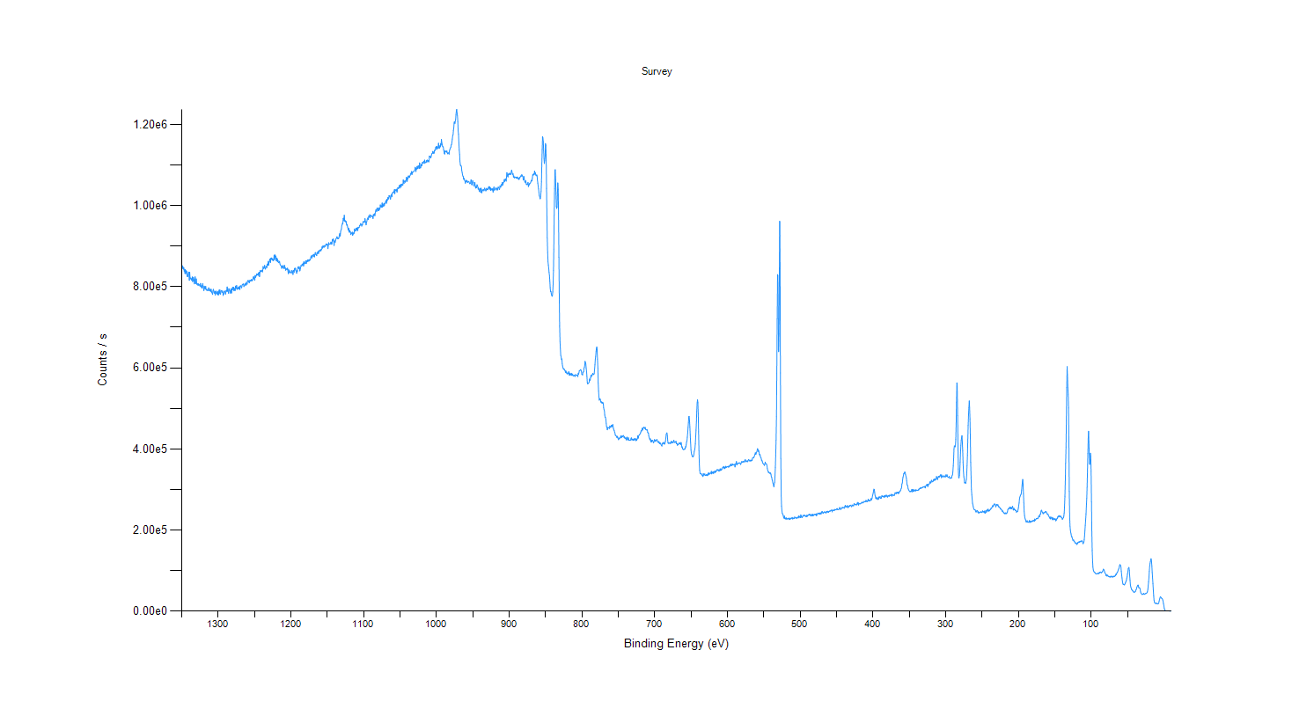
1347.58 |  | 843173
1347.08 |  | 846635
1346.58 |  | 838121
1346.08 |  | 842471
1345.58 |  | 832514
1345.08 |  | 842648
1344.58 |  | 831982
1344.08 |  | 839861
1343.58 |  | 835805
1343.08 |  | 837723
1342.58 |  | 825697
1342.08 |  | 824675
1341.58 |  | 826066
1341.08 |  | 831266
1340.58 |  | 836309
1340.08 |  | 834291
1339.58 |  | 815739
1339.08 |  | 835889
1338.58 |  | 821543
1338.08 |  | 821861
1337.58 |  | 819290
1337.08 |  | 820428
1336.58 |  | 816260
1336.08 |  | 816039
1335.58 |  | 824375
1335.08 |  | 812699
1334.58 |  | 813238
1334.08 |  | 823437
1333.58 |  | 818948
1333.08 |  | 817124
1332.58 |  | 807057
1332.08 |  | 813669
1331.58 |  | 824690
1331.08 |  | 809454
1330.58 |  | 807511
1330.08 |  | 819551
1329.58 |  | 809887
1329.08 |  | 805478
1328.58 |  | 806528
1328.08 |  | 807266
1327.58 |  | 803246
1327.08 |  | 807261
1326.58 |  | 803987
1326.08 |  | 805197
1325.58 |  | 804369
1325.08 |  | 801570
1324.58 |  | 801639
1324.08 |  | 808446
1323.58 |  | 799219
1323.08 |  | 799308
1322.58 |  | 802707
1322.08 |  | 795874
1321.58 |  | 802750
1321.08 |  | 807915
1320.58 |  | 799433
1320.08 |  | 797357
1319.58 |  | 790382
1319.08 |  | 801577
1318.58 |  | 798400
1318.08 |  | 795040
1317.58 |  | 794255
1317.08 |  | 801063
1316.58 |  | 792971
1316.08 |  | 791516
1315.58 |  | 793826
1315.08 |  | 790808
1314.58 |  | 791901
1314.08 |  | 791730
1313.58 |  | 790716
1313.08 |  | 797573
1312.58 |  | 796555
1312.08 |  | 790644
1311.58 |  | 789403
1311.08 |  | 793381
1310.58 |  | 793417
1310.08 |  | 788466
1309.58 |  | 793877
1309.08 |  | 786015
1308.58 |  | 787518
1308.08 |  | 783407
1307.58 |  | 780879
1307.08 |  | 789293
1306.58 |  | 793747
1306.08 |  | 791365
1305.58 |  | 785115
1305.08 |  | 784119
1304.58 |  | 788669
1304.08 |  | 779518
1303.58 |  | 787675
1303.08 |  | 789450
1302.58 |  | 783800
1302.08 |  | 782580
1301.58 |  | 782094
1301.08 |  | 787397
1300.58 |  | 780493
1300.08 |  | 788848
1299.58 |  | 779557
1299.08 |  | 785441
1298.58 |  | 791840
1298.08 |  | 784039
1297.58 |  | 792475
1297.08 |  | 781204
1296.58 |  | 783557
1296.08 |  | 789110
1295.58 |  | 790755
1295.08 |  | 789428
1294.58 |  | 785735
1294.08 |  | 789730
1293.58 |  | 785841
1293.08 |  | 778319
1292.58 |  | 782925
1292.08 |  | 781809
1291.58 |  | 788930
1291.08 |  | 789304
1290.58 |  | 787792
1290.08 |  | 785021
1289.58 |  | 781629
1289.08 |  | 790608
1288.58 |  | 788503
1288.08 |  | 790777
1287.58 |  | 799691
1287.08 |  | 788683
1286.58 |  | 795930
1286.08 |  | 786945
1285.58 |  | 783591
1285.08 |  | 791879
1284.58 |  | 795122
1284.08 |  | 790656
1283.58 |  | 790197
1283.08 |  | 784140
1282.58 |  | 785281
1282.08 |  | 795259
1281.58 |  | 784307
1281.08 |  | 794621
1280.58 |  | 792795
1280.08 |  | 798994
1279.58 |  | 792894
1279.08 |  | 793041
1278.58 |  | 798739
1278.08 |  | 789814
1277.58 |  | 795758
1277.08 |  | 793608
1276.58 |  | 790480
1276.08 |  | 801730
1275.58 |  | 796153
1275.08 |  | 796287
1274.58 |  | 803220
1274.08 |  | 793296
1273.58 |  | 796262
1273.08 |  | 795627
1272.58 |  | 794962
1272.08 |  | 799312
1271.58 |  | 794371
1271.08 |  | 797913
1270.58 |  | 801135
1270.08 |  | 793126
1269.58 |  | 802175
1269.08 |  | 802154
1268.58 |  | 802004
1268.08 |  | 798536
1267.58 |  | 797307
1267.08 |  | 803954
1266.58 |  | 806255
1266.08 |  | 805513
1265.58 |  | 805504
1265.08 |  | 807222
1264.58 |  | 800058
1264.08 |  | 803013
1263.58 |  | 804535
1263.08 |  | 804960
1262.58 |  | 808149
1262.08 |  | 802911
1261.58 |  | 806084
1261.08 |  | 811013
1260.58 |  | 808020
1260.08 |  | 805939
1259.58 |  | 814193
1259.08 |  | 814746
1258.58 |  | 815877
1258.08 |  | 811199
1257.58 |  | 812419
1257.08 |  | 809809
1256.58 |  | 815140
1256.08 |  | 816361
1255.58 |  | 813479
1255.08 |  | 815498
1254.58 |  | 814868
1254.08 |  | 818217
1253.58 |  | 814279
1253.08 |  | 816928
1252.58 |  | 816294
1252.08 |  | 819678
1251.58 |  | 824421
1251.08 |  | 820431
1250.58 |  | 824323
1250.08 |  | 817959
1249.58 |  | 815774
1249.08 |  | 828073
1248.58 |  | 822954
1248.08 |  | 826453
1247.58 |  | 826258
1247.08 |  | 831387
1246.58 |  | 831695
1246.08 |  | 829076
1245.58 |  | 830707
1245.08 |  | 827967
1244.58 |  | 834236
1244.08 |  | 832700
1243.58 |  | 836089
1243.08 |  | 824831
1242.58 |  | 834699
1242.08 |  | 840548
1241.58 |  | 838770
1241.08 |  | 837104
1240.58 |  | 838646
1240.08 |  | 840875
1239.58 |  | 837398
1239.08 |  | 836451
1238.58 |  | 841012
1238.08 |  | 850036
1237.58 |  | 844852
1237.08 |  | 845506
1236.58 |  | 845880
1236.08 |  | 852848
1235.58 |  | 846467
1235.08 |  | 843409
1234.58 |  | 845650
1234.08 |  | 850252
1233.58 |  | 849721
1233.08 |  | 847088
1232.58 |  | 856123
1232.08 |  | 852436
1231.58 |  | 853257
1231.08 |  | 862780
1230.58 |  | 852989
1230.08 |  | 860671
1229.58 |  | 860949
1229.08 |  | 868429
1228.58 |  | 864151
1228.08 |  | 859620
1227.58 |  | 870308
1227.08 |  | 866762
1226.58 |  | 871297
1226.08 |  | 868608
1225.58 |  | 869289
1225.08 |  | 865240
1224.58 |  | 867315
1224.08 |  | 864267
1223.58 |  | 866449
1223.08 |  | 878093
1222.58 |  | 866591
1222.08 |  | 869999
1221.58 |  | 878439
1221.08 |  | 873620
1220.58 |  | 875141
1220.08 |  | 864167
1219.58 |  | 870919
1219.08 |  | 863141
1218.58 |  | 869123
1218.08 |  | 861490
1217.58 |  | 864517
1217.08 |  | 859506
1216.58 |  | 859200
1216.08 |  | 859331
1215.58 |  | 862675
1215.08 |  | 856202
1214.58 |  | 854105
1214.08 |  | 853428
1213.58 |  | 851381
1213.08 |  | 849387
1212.58 |  | 845099
1212.08 |  | 847419
1211.58 |  | 851171
1211.08 |  | 847423
1210.58 |  | 852518
1210.08 |  | 848480
1209.58 |  | 845470
1209.08 |  | 844361
1208.58 |  | 852763
1208.08 |  | 846735
1207.58 |  | 846672
1207.08 |  | 840549
1206.58 |  | 843179
1206.08 |  | 843071
1205.58 |  | 844666
1205.08 |  | 842208
1204.58 |  | 845954
1204.08 |  | 839251
1203.58 |  | 832174
1203.08 |  | 842280
1202.58 |  | 835057
1202.08 |  | 834749
1201.58 |  | 835792
1201.08 |  | 839356
1200.58 |  | 834353
1200.08 |  | 835261
1199.58 |  | 834655
1199.08 |  | 834105
1198.58 |  | 840388
1198.08 |  | 838466
1197.58 |  | 836236
1197.08 |  | 830049
1196.58 |  | 840526
1196.08 |  | 838304
1195.58 |  | 835586
1195.08 |  | 845207
1194.58 |  | 840816
1194.08 |  | 845617
1193.58 |  | 845383
1193.08 |  | 838794
1192.58 |  | 838299
1192.08 |  | 832889
1191.58 |  | 840222
1191.08 |  | 837661
1190.58 |  | 847773
1190.08 |  | 848998
1189.58 |  | 848013
1189.08 |  | 844529
1188.58 |  | 849662
1188.08 |  | 845296
1187.58 |  | 838860
1187.08 |  | 843685
1186.58 |  | 847130
1186.08 |  | 852418
1185.58 |  | 851661
1185.08 |  | 850726
1184.58 |  | 855688
1184.08 |  | 853057
1183.58 |  | 856124
1183.08 |  | 858502
1182.58 |  | 850911
1182.08 |  | 862030
1181.58 |  | 855963
1181.08 |  | 858961
1180.58 |  | 857616
1180.08 |  | 859639
1179.58 |  | 864163
1179.08 |  | 856882
1178.58 |  | 857932
1178.08 |  | 863676
1177.58 |  | 862317
1177.08 |  | 866381
1176.58 |  | 861815
1176.08 |  | 866248
1175.58 |  | 865667
1175.08 |  | 863184
1174.58 |  | 866097
1174.08 |  | 867270
1173.58 |  | 865336
1173.08 |  | 867426
1172.58 |  | 873433
1172.08 |  | 875960
1171.58 |  | 871246
1171.08 |  | 871100
1170.58 |  | 877399
1170.08 |  | 877575
1169.58 |  | 878373
1169.08 |  | 873925
1168.58 |  | 880010
1168.08 |  | 879353
1167.58 |  | 873404
1167.08 |  | 879427
1166.58 |  | 883673
1166.08 |  | 884394
1165.58 |  | 878886
1165.08 |  | 878926
1164.58 |  | 876542
1164.08 |  | 883460
1163.58 |  | 881390
1163.08 |  | 886081
1162.58 |  | 886734
1162.08 |  | 881566
1161.58 |  | 889007
1161.08 |  | 886034
1160.58 |  | 888726
1160.08 |  | 890810
1159.58 |  | 888574
1159.08 |  | 891523
1158.58 |  | 888526
1158.08 |  | 891856
1157.58 |  | 892096
1157.08 |  | 898582
1156.58 |  | 895130
1156.08 |  | 900077
1155.58 |  | 900755
1155.08 |  | 897830
1154.58 |  | 896912
1154.08 |  | 899931
1153.58 |  | 901461
1153.08 |  | 901040
1152.58 |  | 899216
1152.08 |  | 903845
1151.58 |  | 905660
1151.08 |  | 904230
1150.58 |  | 902554
1150.08 |  | 905612
1149.58 |  | 903065
1149.08 |  | 893770
1148.58 |  | 901721
1148.08 |  | 908716
1147.58 |  | 903908
1147.08 |  | 904848
1146.58 |  | 905318
1146.08 |  | 906315
1145.58 |  | 905479
1145.08 |  | 910079
1144.58 |  | 909962
1144.08 |  | 904695
1143.58 |  | 905055
1143.08 |  | 916686
1142.58 |  | 912822
1142.08 |  | 914821
1141.58 |  | 918035
1141.08 |  | 911726
1140.58 |  | 901497
1140.08 |  | 912599
1139.58 |  | 912914
1139.08 |  | 909426
1138.58 |  | 914123
1138.08 |  | 918153
1137.58 |  | 919062
1137.08 |  | 919633
1136.58 |  | 923419
1136.08 |  | 918663
1135.58 |  | 919660
1135.08 |  | 918067
1134.58 |  | 919569
1134.08 |  | 919457
1133.58 |  | 925726
1133.08 |  | 929678
1132.58 |  | 931995
1132.08 |  | 924685
1131.58 |  | 936726
1131.08 |  | 939794
1130.58 |  | 941405
1130.08 |  | 950877
1129.58 |  | 952898
1129.08 |  | 956907
1128.58 |  | 955347
1128.08 |  | 968282
1127.58 |  | 969289
1127.08 |  | 962576
1126.58 |  | 976466
1126.08 |  | 961585
1125.58 |  | 963720
1125.08 |  | 961346
1124.58 |  | 959373
1124.08 |  | 961396
1123.58 |  | 954179
1123.08 |  | 951241
1122.58 |  | 953719
1122.08 |  | 947297
1121.58 |  | 944231
1121.08 |  | 939363
1120.58 |  | 944517
1120.08 |  | 935793
1119.58 |  | 934101
1119.08 |  | 939099
1118.58 |  | 934907
1118.08 |  | 935160
1117.58 |  | 928397
1117.08 |  | 930442
1116.58 |  | 931166
1116.08 |  | 933680
1115.58 |  | 934745
1115.08 |  | 926424
1114.58 |  | 929054
1114.08 |  | 931905
1113.58 |  | 933335
1113.08 |  | 931473
1112.58 |  | 942510
1112.08 |  | 938375
1111.58 |  | 937543
1111.08 |  | 937134
1110.58 |  | 943991
1110.08 |  | 938648
1109.58 |  | 944743
1109.08 |  | 941035
1108.58 |  | 945380
1108.08 |  | 938240
1107.58 |  | 946777
1107.08 |  | 946233
1106.58 |  | 945159
1106.08 |  | 946083
1105.58 |  | 951194
1105.08 |  | 950195
1104.58 |  | 953284
1104.08 |  | 955900
1103.58 |  | 954063
1103.08 |  | 953303
1102.58 |  | 949278
1102.08 |  | 953844
1101.58 |  | 952583
1101.08 |  | 958852
1100.58 |  | 960482
1100.08 |  | 961326
1099.58 |  | 958656
1099.08 |  | 959605
1098.58 |  | 959387
1098.08 |  | 968213
1097.58 |  | 961186
1097.08 |  | 959404
1096.58 |  | 952509
1096.08 |  | 959972
1095.58 |  | 960179
1095.08 |  | 965862
1094.58 |  | 967585
1094.08 |  | 969960
1093.58 |  | 965465
1093.08 |  | 973925
1092.58 |  | 972923
1092.08 |  | 971568
1091.58 |  | 977631
1091.08 |  | 970161
1090.58 |  | 975016
1090.08 |  | 974206
1089.58 |  | 975856
1089.08 |  | 973900
1088.58 |  | 972939
1088.08 |  | 973299
1087.58 |  | 973268
1087.08 |  | 968052
1086.58 |  | 978392
1086.08 |  | 974765
1085.58 |  | 977271
1085.08 |  | 980030
1084.58 |  | 974970
1084.08 |  | 981103
1083.58 |  | 986160
1083.08 |  | 990317
1082.58 |  | 988808
1082.08 |  | 985360
1081.58 |  | 994180
1081.08 |  | 991993
1080.58 |  | 988034
1080.08 |  | 988905
1079.58 |  | 994576
1079.08 |  | 987422
1078.58 |  | 993818
1078.08 |  | 990549
1077.58 |  | 991681
1077.08 |  | 1.00E+06
1076.58 |  | 996635
1076.08 |  | 999275
1075.58 |  | 999854
1075.08 |  | 995678
1074.58 |  | 1.01E+06
1074.08 |  | 996176
1073.58 |  | 1.00E+06
1073.08 |  | 999003
1072.58 |  | 999093
1072.08 |  | 1.01E+06
1071.58 |  | 999532
1071.08 |  | 1.00E+06
1070.58 |  | 1.01E+06
1070.08 |  | 1.01E+06
1069.58 |  | 1.01E+06
1069.08 |  | 1.01E+06
1068.58 |  | 1.01E+06
1068.08 |  | 1.02E+06
1067.58 |  | 1.01E+06
1067.08 |  | 1.02E+06
1066.58 |  | 1.02E+06
1066.08 |  | 1.02E+06
1065.58 |  | 1.02E+06
1065.08 |  | 1.02E+06
1064.58 |  | 1.02E+06
1064.08 |  | 1.02E+06
1063.58 |  | 1.02E+06
1063.08 |  | 1.02E+06
1062.58 |  | 1.02E+06
1062.08 |  | 1.03E+06
1061.58 |  | 1.03E+06
1061.08 |  | 1.02E+06
1060.58 |  | 1.03E+06
1060.08 |  | 1.03E+06
1059.58 |  | 1.03E+06
1059.08 |  | 1.03E+06
1058.58 |  | 1.03E+06
1058.08 |  | 1.04E+06
1057.58 |  | 1.04E+06
1057.08 |  | 1.03E+06
1056.58 |  | 1.04E+06
1056.08 |  | 1.04E+06
1055.58 |  | 1.04E+06
1055.08 |  | 1.04E+06
1054.58 |  | 1.04E+06
1054.08 |  | 1.03E+06
1053.58 |  | 1.04E+06
1053.08 |  | 1.04E+06
1052.58 |  | 1.04E+06
1052.08 |  | 1.04E+06
1051.58 |  | 1.04E+06
1051.08 |  | 1.05E+06
1050.58 |  | 1.04E+06
1050.08 |  | 1.05E+06
1049.58 |  | 1.05E+06
1049.08 |  | 1.05E+06
1048.58 |  | 1.05E+06
1048.08 |  | 1.05E+06
1047.58 |  | 1.05E+06
1047.08 |  | 1.05E+06
1046.58 |  | 1.05E+06
1046.08 |  | 1.05E+06
1045.58 |  | 1.06E+06
1045.08 |  | 1.06E+06
1044.58 |  | 1.05E+06
1044.08 |  | 1.06E+06
1043.58 |  | 1.06E+06
1043.08 |  | 1.06E+06
1042.58 |  | 1.06E+06
1042.08 |  | 1.06E+06
1041.58 |  | 1.06E+06
1041.08 |  | 1.07E+06
1040.58 |  | 1.07E+06
1040.08 |  | 1.06E+06
1039.58 |  | 1.07E+06
1039.08 |  | 1.07E+06
1038.58 |  | 1.07E+06
1038.08 |  | 1.07E+06
1037.58 |  | 1.07E+06
1037.08 |  | 1.07E+06
1036.58 |  | 1.07E+06
1036.08 |  | 1.07E+06
1035.58 |  | 1.08E+06
1035.08 |  | 1.08E+06
1034.58 |  | 1.08E+06
1034.08 |  | 1.08E+06
1033.58 |  | 1.08E+06
1033.08 |  | 1.08E+06
1032.58 |  | 1.08E+06
1032.08 |  | 1.08E+06
1031.58 |  | 1.08E+06
1031.08 |  | 1.08E+06
1030.58 |  | 1.09E+06
1030.08 |  | 1.09E+06
1029.58 |  | 1.09E+06
1029.08 |  | 1.09E+06
1028.58 |  | 1.09E+06
1028.08 |  | 1.08E+06
1027.58 |  | 1.09E+06
1027.08 |  | 1.09E+06
1026.58 |  | 1.10E+06
1026.08 |  | 1.10E+06
1025.58 |  | 1.09E+06
1025.08 |  | 1.10E+06
1024.58 |  | 1.10E+06
1024.08 |  | 1.09E+06
1023.58 |  | 1.09E+06
1023.08 |  | 1.11E+06
1022.58 |  | 1.10E+06
1022.08 |  | 1.09E+06
1021.58 |  | 1.09E+06
1021.08 |  | 1.10E+06
1020.58 |  | 1.10E+06
1020.08 |  | 1.10E+06
1019.58 |  | 1.10E+06
1019.08 |  | 1.11E+06
1018.58 |  | 1.10E+06
1018.08 |  | 1.11E+06
1017.58 |  | 1.11E+06
1017.08 |  | 1.11E+06
1016.58 |  | 1.10E+06
1016.08 |  | 1.11E+06
1015.58 |  | 1.11E+06
1015.08 |  | 1.11E+06
1014.58 |  | 1.11E+06
1014.08 |  | 1.11E+06
1013.58 |  | 1.11E+06
1013.08 |  | 1.11E+06
1012.58 |  | 1.11E+06
1012.08 |  | 1.11E+06
1011.58 |  | 1.11E+06
1011.08 |  | 1.11E+06
1010.58 |  | 1.11E+06
1010.08 |  | 1.11E+06
1009.58 |  | 1.12E+06
1009.08 |  | 1.12E+06
1008.58 |  | 1.12E+06
1008.08 |  | 1.12E+06
1007.58 |  | 1.12E+06
1007.08 |  | 1.12E+06
1006.58 |  | 1.13E+06
1006.08 |  | 1.13E+06
1005.58 |  | 1.13E+06
1005.08 |  | 1.13E+06
1004.58 |  | 1.13E+06
1004.08 |  | 1.13E+06
1003.58 |  | 1.13E+06
1003.08 |  | 1.13E+06
1002.58 |  | 1.14E+06
1002.08 |  | 1.14E+06
1001.58 |  | 1.14E+06
1001.08 |  | 1.14E+06
1000.58 |  | 1.14E+06
1000.08 |  | 1.15E+06
999.58 |  | 1.14E+06
999.08 |  | 1.15E+06
998.58 |  | 1.14E+06
998.08 |  | 1.14E+06
997.58 |  | 1.14E+06
997.08 |  | 1.15E+06
996.58 |  | 1.14E+06
996.08 |  | 1.14E+06
995.58 |  | 1.14E+06
995.08 |  | 1.15E+06
994.58 |  | 1.14E+06
994.08 |  | 1.15E+06
993.58 |  | 1.15E+06
993.08 |  | 1.16E+06
992.58 |  | 1.16E+06
992.08 |  | 1.15E+06
991.58 |  | 1.15E+06
991.08 |  | 1.14E+06
990.58 |  | 1.14E+06
990.08 |  | 1.14E+06
989.58 |  | 1.13E+06
989.08 |  | 1.13E+06
988.58 |  | 1.13E+06
988.08 |  | 1.14E+06
987.58 |  | 1.13E+06
987.08 |  | 1.13E+06
986.58 |  | 1.13E+06
986.08 |  | 1.13E+06
985.58 |  | 1.14E+06
985.08 |  | 1.13E+06
984.58 |  | 1.13E+06
984.08 |  | 1.13E+06
983.58 |  | 1.13E+06
983.08 |  | 1.13E+06
982.58 |  | 1.13E+06
982.08 |  | 1.13E+06
981.58 |  | 1.14E+06
981.08 |  | 1.14E+06
980.58 |  | 1.14E+06
980.08 |  | 1.14E+06
979.58 |  | 1.15E+06
979.08 |  | 1.15E+06
978.58 |  | 1.16E+06
978.08 |  | 1.16E+06
977.58 |  | 1.17E+06
977.08 |  | 1.17E+06
976.58 |  | 1.19E+06
976.08 |  | 1.19E+06
975.58 |  | 1.21E+06
975.08 |  | 1.21E+06
974.58 |  | 1.20E+06
974.08 |  | 1.21E+06
973.58 |  | 1.21E+06
973.08 |  | 1.22E+06
972.58 |  | 1.23E+06
972.08 |  | 1.24E+06
971.58 |  | 1.23E+06
971.08 |  | 1.22E+06
970.58 |  | 1.21E+06
970.08 |  | 1.18E+06
969.58 |  | 1.18E+06
969.08 |  | 1.15E+06
968.58 |  | 1.14E+06
968.08 |  | 1.13E+06
967.58 |  | 1.11E+06
967.08 |  | 1.10E+06
966.58 |  | 1.10E+06
966.08 |  | 1.10E+06
965.58 |  | 1.10E+06
965.08 |  | 1.09E+06
964.58 |  | 1.08E+06
964.08 |  | 1.08E+06
963.58 |  | 1.07E+06
963.08 |  | 1.07E+06
962.58 |  | 1.06E+06
962.08 |  | 1.07E+06
961.58 |  | 1.06E+06
961.08 |  | 1.06E+06
960.58 |  | 1.06E+06
960.08 |  | 1.06E+06
959.58 |  | 1.06E+06
959.08 |  | 1.06E+06
958.58 |  | 1.06E+06
958.08 |  | 1.06E+06
957.58 |  | 1.06E+06
957.08 |  | 1.06E+06
956.58 |  | 1.06E+06
956.08 |  | 1.06E+06
955.58 |  | 1.06E+06
955.08 |  | 1.06E+06
954.58 |  | 1.06E+06
954.08 |  | 1.05E+06
953.58 |  | 1.05E+06
953.08 |  | 1.06E+06
952.58 |  | 1.06E+06
952.08 |  | 1.06E+06
951.58 |  | 1.05E+06
951.08 |  | 1.05E+06
950.58 |  | 1.06E+06
950.08 |  | 1.06E+06
949.58 |  | 1.06E+06
949.08 |  | 1.06E+06
948.58 |  | 1.05E+06
948.08 |  | 1.05E+06
947.58 |  | 1.05E+06
947.08 |  | 1.06E+06
946.58 |  | 1.05E+06
946.08 |  | 1.04E+06
945.58 |  | 1.05E+06
945.08 |  | 1.04E+06
944.58 |  | 1.05E+06
944.08 |  | 1.05E+06
943.58 |  | 1.05E+06
943.08 |  | 1.05E+06
942.58 |  | 1.04E+06
942.08 |  | 1.04E+06
941.58 |  | 1.04E+06
941.08 |  | 1.03E+06
940.58 |  | 1.04E+06
940.08 |  | 1.04E+06
939.58 |  | 1.04E+06
939.08 |  | 1.03E+06
938.58 |  | 1.04E+06
938.08 |  | 1.04E+06
937.58 |  | 1.03E+06
937.08 |  | 1.04E+06
936.58 |  | 1.04E+06
936.08 |  | 1.04E+06
935.58 |  | 1.04E+06
935.08 |  | 1.04E+06
934.58 |  | 1.04E+06
934.08 |  | 1.04E+06
933.58 |  | 1.04E+06
933.08 |  | 1.04E+06
932.58 |  | 1.04E+06
932.08 |  | 1.04E+06
931.58 |  | 1.04E+06
931.08 |  | 1.04E+06
930.58 |  | 1.04E+06
930.08 |  | 1.04E+06
929.58 |  | 1.04E+06
929.08 |  | 1.04E+06
928.58 |  | 1.04E+06
928.08 |  | 1.05E+06
927.58 |  | 1.04E+06
927.08 |  | 1.04E+06
926.58 |  | 1.05E+06
926.08 |  | 1.04E+06
925.58 |  | 1.04E+06
925.08 |  | 1.04E+06
924.58 |  | 1.04E+06
924.08 |  | 1.04E+06
923.58 |  | 1.04E+06
923.08 |  | 1.04E+06
922.58 |  | 1.04E+06
922.08 |  | 1.03E+06
921.58 |  | 1.04E+06
921.08 |  | 1.05E+06
920.58 |  | 1.05E+06
920.08 |  | 1.04E+06
919.58 |  | 1.04E+06
919.08 |  | 1.04E+06
918.58 |  | 1.04E+06
918.08 |  | 1.04E+06
917.58 |  | 1.04E+06
917.08 |  | 1.04E+06
916.58 |  | 1.04E+06
916.08 |  | 1.04E+06
915.58 |  | 1.04E+06
915.08 |  | 1.05E+06
914.58 |  | 1.04E+06
914.08 |  | 1.04E+06
913.58 |  | 1.04E+06
913.08 |  | 1.04E+06
912.58 |  | 1.05E+06
912.08 |  | 1.05E+06
911.58 |  | 1.05E+06
911.08 |  | 1.05E+06
910.58 |  | 1.05E+06
910.08 |  | 1.05E+06
909.58 |  | 1.06E+06
909.08 |  | 1.06E+06
908.58 |  | 1.05E+06
908.08 |  | 1.06E+06
907.58 |  | 1.06E+06
907.08 |  | 1.06E+06
906.58 |  | 1.06E+06
906.08 |  | 1.06E+06
905.58 |  | 1.06E+06
905.08 |  | 1.07E+06
904.58 |  | 1.06E+06
904.08 |  | 1.06E+06
903.58 |  | 1.07E+06
903.08 |  | 1.08E+06
902.58 |  | 1.08E+06
902.08 |  | 1.07E+06
901.58 |  | 1.07E+06
901.08 |  | 1.08E+06
900.58 |  | 1.08E+06
900.08 |  | 1.08E+06
899.58 |  | 1.08E+06
899.08 |  | 1.08E+06
898.58 |  | 1.08E+06
898.08 |  | 1.08E+06
897.58 |  | 1.08E+06
897.08 |  | 1.08E+06
896.58 |  | 1.09E+06
896.08 |  | 1.08E+06
895.58 |  | 1.08E+06
895.08 |  | 1.08E+06
894.58 |  | 1.08E+06
894.08 |  | 1.07E+06
893.58 |  | 1.07E+06
893.08 |  | 1.07E+06
892.58 |  | 1.07E+06
892.08 |  | 1.07E+06
891.58 |  | 1.07E+06
891.08 |  | 1.07E+06
890.58 |  | 1.07E+06
890.08 |  | 1.07E+06
889.58 |  | 1.07E+06
889.08 |  | 1.07E+06
888.58 |  | 1.07E+06
888.08 |  | 1.07E+06
887.58 |  | 1.07E+06
887.08 |  | 1.07E+06
886.58 |  | 1.06E+06
886.08 |  | 1.06E+06
885.58 |  | 1.07E+06
885.08 |  | 1.07E+06
884.58 |  | 1.07E+06
884.08 |  | 1.07E+06
883.58 |  | 1.07E+06
883.08 |  | 1.07E+06
882.58 |  | 1.08E+06
882.08 |  | 1.07E+06
881.58 |  | 1.07E+06
881.08 |  | 1.07E+06
880.58 |  | 1.06E+06
880.08 |  | 1.06E+06
879.58 |  | 1.07E+06
879.08 |  | 1.06E+06
878.58 |  | 1.06E+06
878.08 |  | 1.06E+06
877.58 |  | 1.06E+06
877.08 |  | 1.06E+06
876.58 |  | 1.05E+06
876.08 |  | 1.05E+06
875.58 |  | 1.05E+06
875.08 |  | 1.05E+06
874.58 |  | 1.05E+06
874.08 |  | 1.06E+06
873.58 |  | 1.05E+06
873.08 |  | 1.05E+06
872.58 |  | 1.05E+06
872.08 |  | 1.05E+06
871.58 |  | 1.05E+06
871.08 |  | 1.06E+06
870.58 |  | 1.06E+06
870.08 |  | 1.06E+06
869.58 |  | 1.06E+06
869.08 |  | 1.06E+06
868.58 |  | 1.06E+06
868.08 |  | 1.07E+06
867.58 |  | 1.08E+06
867.08 |  | 1.07E+06
866.58 |  | 1.08E+06
866.08 |  | 1.08E+06
865.58 |  | 1.08E+06
865.08 |  | 1.09E+06
864.58 |  | 1.08E+06
864.08 |  | 1.08E+06
863.58 |  | 1.08E+06
863.08 |  | 1.07E+06
862.58 |  | 1.07E+06
862.08 |  | 1.08E+06
861.58 |  | 1.07E+06
861.08 |  | 1.06E+06
860.58 |  | 1.06E+06
860.08 |  | 1.05E+06
859.58 |  | 1.04E+06
859.08 |  | 1.03E+06
858.58 |  | 1.02E+06
858.08 |  | 1.02E+06
857.58 |  | 1.02E+06
857.08 |  | 1.02E+06
856.58 |  | 1.03E+06
856.08 |  | 1.04E+06
855.58 |  | 1.06E+06
855.08 |  | 1.10E+06
854.58 |  | 1.14E+06
854.08 |  | 1.17E+06
853.58 |  | 1.17E+06
853.08 |  | 1.16E+06
852.58 |  | 1.13E+06
852.08 |  | 1.12E+06
851.58 |  | 1.10E+06
851.08 |  | 1.11E+06
850.58 |  | 1.12E+06
850.08 |  | 1.15E+06
849.58 |  | 1.15E+06
849.08 |  | 1.11E+06
848.58 |  | 1.04E+06
848.08 |  | 974863
847.58 |  | 920046
847.08 |  | 884580
846.58 |  | 861571
846.08 |  | 853603
845.58 |  | 845083
845.08 |  | 835536
844.58 |  | 827815
844.08 |  | 813671
843.58 |  | 797802
843.08 |  | 788075
842.58 |  | 788557
842.08 |  | 782705
841.58 |  | 779573
841.08 |  | 776650
840.58 |  | 776780
840.08 |  | 787124
839.58 |  | 804507
839.08 |  | 839866
838.58 |  | 893011
838.08 |  | 975906
837.58 |  | 1.04E+06
837.08 |  | 1.09E+06
836.58 |  | 1.09E+06
836.08 |  | 1.06E+06
835.58 |  | 1.03E+06
835.08 |  | 997821
834.58 |  | 992989
834.08 |  | 996967
833.58 |  | 1.03E+06
833.08 |  | 1.06E+06
832.58 |  | 1.04E+06
832.08 |  | 980567
831.58 |  | 872318
831.08 |  | 769038
830.58 |  | 702750
830.08 |  | 665034
829.58 |  | 648364
829.08 |  | 630639
828.58 |  | 627574
828.08 |  | 621344
827.58 |  | 622141
827.08 |  | 610852
826.58 |  | 604821
826.08 |  | 600909
825.58 |  | 597890
825.08 |  | 596632
824.58 |  | 598178
824.08 |  | 594558
823.58 |  | 594885
823.08 |  | 593204
822.58 |  | 588756
822.08 |  | 592680
821.58 |  | 587352
821.08 |  | 589939
820.58 |  | 586780
820.08 |  | 584789
819.58 |  | 586337
819.08 |  | 587453
818.58 |  | 585861
818.08 |  | 590841
817.58 |  | 582274
817.08 |  | 587332
816.58 |  | 581793
816.08 |  | 585397
815.58 |  | 584121
815.08 |  | 582450
814.58 |  | 586844
814.08 |  | 581380
813.58 |  | 585436
813.08 |  | 581707
812.58 |  | 583720
812.08 |  | 580323
811.58 |  | 580707
811.08 |  | 580094
810.58 |  | 581817
810.08 |  | 582030
809.58 |  | 578631
809.08 |  | 579660
808.58 |  | 583698
808.08 |  | 582344
807.58 |  | 581252
807.08 |  | 582079
806.58 |  | 581337
806.08 |  | 581830
805.58 |  | 578422
805.08 |  | 586205
804.58 |  | 584191
804.08 |  | 587527
803.58 |  | 592617
803.08 |  | 593118
802.58 |  | 593750
802.08 |  | 595633
801.58 |  | 595271
801.08 |  | 594140
800.58 |  | 590627
800.08 |  | 583517
799.58 |  | 584271
799.08 |  | 582426
798.58 |  | 589115
798.08 |  | 589011
797.58 |  | 590422
797.08 |  | 599618
796.58 |  | 600657
796.08 |  | 607286
795.58 |  | 616200
795.08 |  | 612738
794.58 |  | 610076
794.08 |  | 598628
793.58 |  | 590230
793.08 |  | 578886
792.58 |  | 563875
792.08 |  | 560583
791.58 |  | 561176
791.08 |  | 562234
790.58 |  | 563263
790.08 |  | 563965
789.58 |  | 572589
789.08 |  | 569644
788.58 |  | 569633
788.08 |  | 575590
787.58 |  | 581653
787.08 |  | 578234
786.58 |  | 581640
786.08 |  | 580817
785.58 |  | 583465
785.08 |  | 586509
784.58 |  | 583941
784.08 |  | 583767
783.58 |  | 583635
783.08 |  | 585798
782.58 |  | 595275
782.08 |  | 607550
781.58 |  | 620435
781.08 |  | 628184
780.58 |  | 639898
780.08 |  | 647869
779.58 |  | 651636
779.08 |  | 646806
778.58 |  | 621790
778.08 |  | 599512
777.58 |  | 563382
777.08 |  | 542944
776.58 |  | 529302
776.08 |  | 520317
775.58 |  | 522496
775.08 |  | 524157
774.58 |  | 521908
774.08 |  | 515622
773.58 |  | 517597
773.08 |  | 514067
772.58 |  | 514850
772.08 |  | 512235
771.58 |  | 515431
771.08 |  | 514607
770.58 |  | 511456
770.08 |  | 501975
769.58 |  | 496920
769.08 |  | 494397
768.58 |  | 483516
768.08 |  | 477845
767.58 |  | 477745
767.08 |  | 473402
766.58 |  | 463560
766.08 |  | 454891
765.58 |  | 453547
765.08 |  | 447220
764.58 |  | 450775
764.08 |  | 453408
763.58 |  | 451733
763.08 |  | 452295
762.58 |  | 451392
762.08 |  | 450581
761.58 |  | 456872
761.08 |  | 453068
760.58 |  | 454402
760.08 |  | 455902
759.58 |  | 458484
759.08 |  | 453815
758.58 |  | 458202
758.08 |  | 457107
757.58 |  | 460545
757.08 |  | 456141
756.58 |  | 450281
756.08 |  | 446339
755.58 |  | 446389
755.08 |  | 441178
754.58 |  | 440339
754.08 |  | 433978
753.58 |  | 433234
753.08 |  | 433219
752.58 |  | 431343
752.08 |  | 428761
751.58 |  | 428262
751.08 |  | 431298
750.58 |  | 427247
750.08 |  | 424671
749.58 |  | 422696
749.08 |  | 427110
748.58 |  | 425563
748.08 |  | 425689
747.58 |  | 427244
747.08 |  | 428493
746.58 |  | 432535
746.08 |  | 429059
745.58 |  | 427612
745.08 |  | 431563
744.58 |  | 431454
744.08 |  | 430169
743.58 |  | 432241
743.08 |  | 433392
742.58 |  | 432704
742.08 |  | 428293
741.58 |  | 430465
741.08 |  | 426789
740.58 |  | 425997
740.08 |  | 427362
739.58 |  | 425705
739.08 |  | 422220
738.58 |  | 427392
738.08 |  | 429347
737.58 |  | 424255
737.08 |  | 422002
736.58 |  | 425203
736.08 |  | 428008
735.58 |  | 423878
735.08 |  | 421219
734.58 |  | 421681
734.08 |  | 421136
733.58 |  | 421821
733.08 |  | 421702
732.58 |  | 424792
732.08 |  | 427702
731.58 |  | 423081
731.08 |  | 421978
730.58 |  | 424434
730.08 |  | 424235
729.58 |  | 421170
729.08 |  | 424382
728.58 |  | 423811
728.08 |  | 421705
727.58 |  | 425899
727.08 |  | 422831
726.58 |  | 425753
726.08 |  | 423579
725.58 |  | 420385
725.08 |  | 424671
724.58 |  | 421376
724.08 |  | 424486
723.58 |  | 426149
723.08 |  | 432775
722.58 |  | 426545
722.08 |  | 430977
721.58 |  | 433777
721.08 |  | 434515
720.58 |  | 435822
720.08 |  | 437469
719.58 |  | 438094
719.08 |  | 441411
718.58 |  | 445766
718.08 |  | 443850
717.58 |  | 447118
717.08 |  | 451338
716.58 |  | 446472
716.08 |  | 450933
715.58 |  | 450950
715.08 |  | 453819
714.58 |  | 452714
714.08 |  | 451224
713.58 |  | 450603
713.08 |  | 453522
712.58 |  | 450339
712.08 |  | 447500
711.58 |  | 447309
711.08 |  | 447131
710.58 |  | 446591
710.08 |  | 447449
709.58 |  | 441054
709.08 |  | 439513
708.58 |  | 439714
708.08 |  | 432769
707.58 |  | 428477
707.08 |  | 426428
706.58 |  | 422594
706.08 |  | 425459
705.58 |  | 422679
705.08 |  | 417205
704.58 |  | 421201
704.08 |  | 417547
703.58 |  | 421452
703.08 |  | 420712
702.58 |  | 421087
702.08 |  | 417957
701.58 |  | 415154
701.08 |  | 416459
700.58 |  | 420773
700.08 |  | 423287
699.58 |  | 421605
699.08 |  | 418629
698.58 |  | 421323
698.08 |  | 420503
697.58 |  | 421513
697.08 |  | 423760
696.58 |  | 422508
696.08 |  | 418015
695.58 |  | 417419
695.08 |  | 417970
694.58 |  | 415584
694.08 |  | 418505
693.58 |  | 414429
693.08 |  | 412829
692.58 |  | 415964
692.08 |  | 413607
691.58 |  | 413228
691.08 |  | 409971
690.58 |  | 408399
690.08 |  | 407119
689.58 |  | 413494
689.08 |  | 413591
688.58 |  | 415528
688.08 |  | 413447
687.58 |  | 416468
687.08 |  | 412984
686.58 |  | 411656
686.08 |  | 412706
685.58 |  | 415543
685.08 |  | 419809
684.58 |  | 427538
684.08 |  | 436099
683.58 |  | 438847
683.08 |  | 439923
682.58 |  | 433256
682.08 |  | 422308
681.58 |  | 414524
681.08 |  | 415588
680.58 |  | 413253
680.08 |  | 414141
679.58 |  | 415044
679.08 |  | 415495
678.58 |  | 413977
678.08 |  | 413292
677.58 |  | 418586
677.08 |  | 414772
676.58 |  | 415812
676.08 |  | 418673
675.58 |  | 417952
675.08 |  | 415120
674.58 |  | 415432
674.08 |  | 418428
673.58 |  | 421753
673.08 |  | 417328
672.58 |  | 416133
672.08 |  | 416539
671.58 |  | 417929
671.08 |  | 416286
670.58 |  | 418996
670.08 |  | 412833
669.58 |  | 413906
669.08 |  | 413316
668.58 |  | 408806
668.08 |  | 411061
667.58 |  | 410534
667.08 |  | 412725
666.58 |  | 412102
666.08 |  | 415658
665.58 |  | 412859
665.08 |  | 413451
664.58 |  | 414460
664.08 |  | 410491
663.58 |  | 416198
663.08 |  | 409270
662.58 |  | 404333
662.08 |  | 405271
661.58 |  | 400274
661.08 |  | 399837
660.58 |  | 398496
660.08 |  | 398747
659.58 |  | 399019
659.08 |  | 399533
658.58 |  | 400934
658.08 |  | 399764
657.58 |  | 405578
657.08 |  | 405011
656.58 |  | 411435
656.08 |  | 417401
655.58 |  | 420266
655.08 |  | 429013
654.58 |  | 439679
654.08 |  | 452993
653.58 |  | 464553
653.08 |  | 479890
652.58 |  | 480215
652.08 |  | 470495
651.58 |  | 454488
651.08 |  | 435033
650.58 |  | 416471
650.08 |  | 397634
649.58 |  | 390255
649.08 |  | 386921
648.58 |  | 382662
648.08 |  | 382276
647.58 |  | 380136
647.08 |  | 382357
646.58 |  | 382495
646.08 |  | 387062
645.58 |  | 393668
645.08 |  | 397428
644.58 |  | 401407
644.08 |  | 413064
643.58 |  | 431203
643.08 |  | 446391
642.58 |  | 468412
642.08 |  | 493309
641.58 |  | 513722
641.08 |  | 521511
640.58 |  | 514737
640.08 |  | 486085
639.58 |  | 442341
639.08 |  | 395403
638.58 |  | 361313
638.08 |  | 347714
637.58 |  | 339863
637.08 |  | 339145
636.58 |  | 338296
636.08 |  | 339433
635.58 |  | 338099
635.08 |  | 336189
634.58 |  | 334885
634.08 |  | 335154
633.58 |  | 331855
633.08 |  | 339425
632.58 |  | 335861
632.08 |  | 335565
631.58 |  | 336333
631.08 |  | 338755
630.58 |  | 334796
630.08 |  | 334839
629.58 |  | 335783
629.08 |  | 334760
628.58 |  | 337196
628.08 |  | 337462
627.58 |  | 334229
627.08 |  | 334384
626.58 |  | 340469
626.08 |  | 338359
625.58 |  | 336862
625.08 |  | 341486
624.58 |  | 338084
624.08 |  | 338912
623.58 |  | 339803
623.08 |  | 340244
622.58 |  | 340826
622.08 |  | 345208
621.58 |  | 338394
621.08 |  | 342370
620.58 |  | 342625
620.08 |  | 340486
619.58 |  | 344151
619.08 |  | 339515
618.58 |  | 343262
618.08 |  | 344623
617.58 |  | 343123
617.08 |  | 341174
616.58 |  | 346445
616.08 |  | 343902
615.58 |  | 343609
615.08 |  | 345471
614.58 |  | 349042
614.08 |  | 347513
613.58 |  | 347181
613.08 |  | 349116
612.58 |  | 349084
612.08 |  | 348078
611.58 |  | 345046
611.08 |  | 346256
610.58 |  | 348019
610.08 |  | 351171
609.58 |  | 346924
609.08 |  | 351098
608.58 |  | 347514
608.08 |  | 348177
607.58 |  | 349560
607.08 |  | 352750
606.58 |  | 354224
606.08 |  | 355282
605.58 |  | 354383
605.08 |  | 357085
604.58 |  | 351534
604.08 |  | 351446
603.58 |  | 355087
603.08 |  | 353108
602.58 |  | 357451
602.08 |  | 353651
601.58 |  | 355508
601.08 |  | 354636
600.58 |  | 356701
600.08 |  | 356096
599.58 |  | 356799
599.08 |  | 355435
598.58 |  | 357519
598.08 |  | 355175
597.58 |  | 357067
597.08 |  | 358454
596.58 |  | 357422
596.08 |  | 361133
595.58 |  | 358901
595.08 |  | 363058
594.58 |  | 362976
594.08 |  | 358610
593.58 |  | 359643
593.08 |  | 361061
592.58 |  | 363272
592.08 |  | 360210
591.58 |  | 360557
591.08 |  | 361754
590.58 |  | 361162
590.08 |  | 362096
589.58 |  | 355601
589.08 |  | 360851
588.58 |  | 364324
588.08 |  | 363716
587.58 |  | 369236
587.08 |  | 360441
586.58 |  | 363387
586.08 |  | 363917
585.58 |  | 363794
585.08 |  | 365222
584.58 |  | 366022
584.08 |  | 364380
583.58 |  | 365521
583.08 |  | 365946
582.58 |  | 365557
582.08 |  | 362054
581.58 |  | 362053
581.08 |  | 365892
580.58 |  | 367635
580.08 |  | 369399
579.58 |  | 367000
579.08 |  | 368394
578.58 |  | 367797
578.08 |  | 369018
577.58 |  | 369826
577.08 |  | 367495
576.58 |  | 370543
576.08 |  | 370404
575.58 |  | 373770
575.08 |  | 372799
574.58 |  | 368728
574.08 |  | 368434
573.58 |  | 369702
573.08 |  | 370486
572.58 |  | 370960
572.08 |  | 368442
571.58 |  | 370862
571.08 |  | 373677
570.58 |  | 373840
570.08 |  | 372362
569.58 |  | 372019
569.08 |  | 369701
568.58 |  | 372236
568.08 |  | 372066
567.58 |  | 371993
567.08 |  | 370511
566.58 |  | 373402
566.08 |  | 371251
565.58 |  | 377230
565.08 |  | 378673
564.58 |  | 378611
564.08 |  | 377768
563.58 |  | 380069
563.08 |  | 381207
562.58 |  | 384872
562.08 |  | 387218
561.58 |  | 390974
561.08 |  | 386519
560.58 |  | 387842
560.08 |  | 391391
559.58 |  | 392727
559.08 |  | 397272
558.58 |  | 400902
558.08 |  | 399154
557.58 |  | 394031
557.08 |  | 396174
556.58 |  | 392378
556.08 |  | 387356
555.58 |  | 384303
555.08 |  | 386459
554.58 |  | 379999
554.08 |  | 378965
553.58 |  | 377644
553.08 |  | 371539
552.58 |  | 372710
552.08 |  | 369311
551.58 |  | 365841
551.08 |  | 364683
550.58 |  | 363040
550.08 |  | 362686
549.58 |  | 360945
549.08 |  | 359442
548.58 |  | 362363
548.08 |  | 367843
547.58 |  | 364681
547.08 |  | 363420
546.58 |  | 363209
546.08 |  | 362379
545.58 |  | 358073
545.08 |  | 351781
544.58 |  | 347359
544.08 |  | 345419
543.58 |  | 341964
543.08 |  | 343745
542.58 |  | 342038
542.08 |  | 340193
541.58 |  | 341160
541.08 |  | 339292
540.58 |  | 340930
540.08 |  | 336342
539.58 |  | 331126
539.08 |  | 330258
538.58 |  | 324257
538.08 |  | 322080
537.58 |  | 316090
537.08 |  | 314959
536.58 |  | 310326
536.08 |  | 306643
535.58 |  | 313514
535.08 |  | 317955
534.58 |  | 333322
534.08 |  | 354799
533.58 |  | 383748
533.08 |  | 421674
532.58 |  | 479403
532.08 |  | 585693
531.58 |  | 720595
531.08 |  | 830068
530.58 |  | 827149
530.08 |  | 721601
529.58 |  | 639733
529.08 |  | 683235
528.58 |  | 847735
528.08 |  | 961561
527.58 |  | 844045
527.08 |  | 587523
526.58 |  | 376825
526.08 |  | 285516
525.58 |  | 259428
525.08 |  | 247675
524.58 |  | 240784
524.08 |  | 240062
523.58 |  | 238430
523.08 |  | 234800
522.58 |  | 229538
522.08 |  | 231449
521.58 |  | 234816
521.08 |  | 227991
520.58 |  | 229922
520.08 |  | 227378
519.58 |  | 228268
519.08 |  | 230323
518.58 |  | 226832
518.08 |  | 228310
517.58 |  | 227297
517.08 |  | 228448
516.58 |  | 227890
516.08 |  | 228698
515.58 |  | 229766
515.08 |  | 225931
514.58 |  | 229185
514.08 |  | 226687
513.58 |  | 227568
513.08 |  | 229106
512.58 |  | 227571
512.08 |  | 230223
511.58 |  | 229774
511.08 |  | 228769
510.58 |  | 227341
510.08 |  | 231257
509.58 |  | 228953
509.08 |  | 228041
508.58 |  | 228365
508.08 |  | 228588
507.58 |  | 232193
507.08 |  | 230952
506.58 |  | 231539
506.08 |  | 229478
505.58 |  | 230084
505.08 |  | 229670
504.58 |  | 231364
504.08 |  | 228963
503.58 |  | 230909
503.08 |  | 231726
502.58 |  | 232502
502.08 |  | 235107
501.58 |  | 229908
501.08 |  | 233933
500.58 |  | 233031
500.08 |  | 234010
499.58 |  | 230604
499.08 |  | 237777
498.58 |  | 234738
498.08 |  | 231535
497.58 |  | 232359
497.08 |  | 230969
496.58 |  | 234084
496.08 |  | 234199
495.58 |  | 237129
495.08 |  | 235377
494.58 |  | 234922
494.08 |  | 235838
493.58 |  | 237567
493.08 |  | 234982
492.58 |  | 233435
492.08 |  | 234890
491.58 |  | 233320
491.08 |  | 233178
490.58 |  | 237452
490.08 |  | 233835
489.58 |  | 235565
489.08 |  | 236602
488.58 |  | 236616
488.08 |  | 238430
487.58 |  | 237135
487.08 |  | 239540
486.58 |  | 239401
486.08 |  | 235951
485.58 |  | 236896
485.08 |  | 236156
484.58 |  | 234559
484.08 |  | 238807
483.58 |  | 235895
483.08 |  | 239638
482.58 |  | 235292
482.08 |  | 234871
481.58 |  | 238118
481.08 |  | 237895
480.58 |  | 238763
480.08 |  | 238739
479.58 |  | 237275
479.08 |  | 239194
478.58 |  | 237923
478.08 |  | 240357
477.58 |  | 235434
477.08 |  | 236306
476.58 |  | 239485
476.08 |  | 240346
475.58 |  | 242226
475.08 |  | 241676
474.58 |  | 240244
474.08 |  | 241818
473.58 |  | 238778
473.08 |  | 242579
472.58 |  | 240801
472.08 |  | 239638
471.58 |  | 242552
471.08 |  | 240096
470.58 |  | 244737
470.08 |  | 245022
469.58 |  | 245906
469.08 |  | 243522
468.58 |  | 241070
468.08 |  | 242907
467.58 |  | 242404
467.08 |  | 244615
466.58 |  | 245442
466.08 |  | 243787
465.58 |  | 244087
465.08 |  | 242823
464.58 |  | 241825
464.08 |  | 246009
463.58 |  | 245883
463.08 |  | 244442
462.58 |  | 244090
462.08 |  | 246709
461.58 |  | 245544
461.08 |  | 243473
460.58 |  | 245922
460.08 |  | 245526
459.58 |  | 246959
459.08 |  | 247237
458.58 |  | 246641
458.08 |  | 248224
457.58 |  | 249368
457.08 |  | 248342
456.58 |  | 249296
456.08 |  | 244920
455.58 |  | 249242
455.08 |  | 248900
454.58 |  | 248715
454.08 |  | 248217
453.58 |  | 249611
453.08 |  | 247771
452.58 |  | 250801
452.08 |  | 251099
451.58 |  | 250128
451.08 |  | 250646
450.58 |  | 249744
450.08 |  | 252452
449.58 |  | 251750
449.08 |  | 253241
448.58 |  | 250847
448.08 |  | 250255
447.58 |  | 250334
447.08 |  | 251232
446.58 |  | 251343
446.08 |  | 253615
445.58 |  | 255907
445.08 |  | 253267
444.58 |  | 251197
444.08 |  | 251343
443.58 |  | 251710
443.08 |  | 253905
442.58 |  | 255764
442.08 |  | 254147
441.58 |  | 255465
441.08 |  | 256090
440.58 |  | 255655
440.08 |  | 255038
439.58 |  | 254252
439.08 |  | 254004
438.58 |  | 258103
438.08 |  | 261064
437.58 |  | 257525
437.08 |  | 258007
436.58 |  | 256595
436.08 |  | 259003
435.58 |  | 257904
435.08 |  | 260738
434.58 |  | 255159
434.08 |  | 258015
433.58 |  | 257922
433.08 |  | 257229
432.58 |  | 259800
432.08 |  | 258409
431.58 |  | 261324
431.08 |  | 260988
430.58 |  | 261642
430.08 |  | 260060
429.58 |  | 258034
429.08 |  | 258042
428.58 |  | 262200
428.08 |  | 260915
427.58 |  | 259937
427.08 |  | 261438
426.58 |  | 259645
426.08 |  | 264608
425.58 |  | 264943
425.08 |  | 263112
424.58 |  | 264297
424.08 |  | 261939
423.58 |  | 263107
423.08 |  | 263238
422.58 |  | 262507
422.08 |  | 262389
421.58 |  | 266655
421.08 |  | 264134
420.58 |  | 268469
420.08 |  | 267562
419.58 |  | 261599
419.08 |  | 265509
418.58 |  | 265119
418.08 |  | 265137
417.58 |  | 264532
417.08 |  | 265089
416.58 |  | 266447
416.08 |  | 266867
415.58 |  | 266450
415.08 |  | 268088
414.58 |  | 269211
414.08 |  | 267598
413.58 |  | 266861
413.08 |  | 267605
412.58 |  | 270784
412.08 |  | 270046
411.58 |  | 270030
411.08 |  | 270381
410.58 |  | 270345
410.08 |  | 270123
409.58 |  | 273299
409.08 |  | 270750
408.58 |  | 272642
408.08 |  | 269743
407.58 |  | 271254
407.08 |  | 271351
406.58 |  | 276257
406.08 |  | 272946
405.58 |  | 271270
405.08 |  | 273796
404.58 |  | 273326
404.08 |  | 273327
403.58 |  | 272045
403.08 |  | 274916
402.58 |  | 277814
402.08 |  | 274248
401.58 |  | 276345
401.08 |  | 278687
400.58 |  | 284550
400.08 |  | 287654
399.58 |  | 291959
399.08 |  | 297400
398.58 |  | 301044
398.08 |  | 300062
397.58 |  | 293537
397.08 |  | 285203
396.58 |  | 283303
396.08 |  | 278403
395.58 |  | 281204
395.08 |  | 277042
394.58 |  | 279482
394.08 |  | 277091
393.58 |  | 276173
393.08 |  | 275328
392.58 |  | 280286
392.08 |  | 276731
391.58 |  | 282021
391.08 |  | 280203
390.58 |  | 279865
390.08 |  | 282761
389.58 |  | 278352
389.08 |  | 278318
388.58 |  | 278093
388.08 |  | 281423
387.58 |  | 285193
387.08 |  | 282740
386.58 |  | 282773
386.08 |  | 281830
385.58 |  | 283593
385.08 |  | 281795
384.58 |  | 284232
384.08 |  | 281080
383.58 |  | 285478
383.08 |  | 281959
382.58 |  | 282936
382.08 |  | 284368
381.58 |  | 286665
381.08 |  | 283580
380.58 |  | 284546
380.08 |  | 281091
379.58 |  | 284061
379.08 |  | 283586
378.58 |  | 285540
378.08 |  | 283720
377.58 |  | 283269
377.08 |  | 286164
376.58 |  | 285275
376.08 |  | 285839
375.58 |  | 285129
375.08 |  | 288206
374.58 |  | 286608
374.08 |  | 283509
373.58 |  | 287872
373.08 |  | 287782
372.58 |  | 286200
372.08 |  | 285925
371.58 |  | 286221
371.08 |  | 285484
370.58 |  | 285467
370.08 |  | 287843
369.58 |  | 292130
369.08 |  | 292348
368.58 |  | 290960
368.08 |  | 289249
367.58 |  | 292546
367.08 |  | 293530
366.58 |  | 291689
366.08 |  | 293133
365.58 |  | 290037
365.08 |  | 293412
364.58 |  | 292984
364.08 |  | 290696
363.58 |  | 294229
363.08 |  | 296628
362.58 |  | 296279
362.08 |  | 297038
361.58 |  | 300202
361.08 |  | 302491
360.58 |  | 305472
360.08 |  | 313679
359.58 |  | 316412
359.08 |  | 325488
358.58 |  | 330273
358.08 |  | 334640
357.58 |  | 339678
357.08 |  | 339274
356.58 |  | 342634
356.08 |  | 343217
355.58 |  | 341985
355.08 |  | 336445
354.58 |  | 332728
354.08 |  | 328818
353.58 |  | 321424
353.08 |  | 311906
352.58 |  | 311381
352.08 |  | 307758
351.58 |  | 302354
351.08 |  | 300173
350.58 |  | 298323
350.08 |  | 296732
349.58 |  | 295469
349.08 |  | 294647
348.58 |  | 294855
348.08 |  | 296244
347.58 |  | 294850
347.08 |  | 296802
346.58 |  | 300358
346.08 |  | 300077
345.58 |  | 294257
345.08 |  | 296130
344.58 |  | 300383
344.08 |  | 295624
343.58 |  | 295974
343.08 |  | 298739
342.58 |  | 299091
342.08 |  | 297715
341.58 |  | 296024
341.08 |  | 299324
340.58 |  | 297305
340.08 |  | 298477
339.58 |  | 298803
339.08 |  | 297970
338.58 |  | 297816
338.08 |  | 298641
337.58 |  | 299734
337.08 |  | 298220
336.58 |  | 301872
336.08 |  | 300928
335.58 |  | 303041
335.08 |  | 302327
334.58 |  | 305086
334.08 |  | 304507
333.58 |  | 302563
333.08 |  | 304050
332.58 |  | 305257
332.08 |  | 304223
331.58 |  | 305615
331.08 |  | 306587
330.58 |  | 306221
330.08 |  | 307151
329.58 |  | 305733
329.08 |  | 307401
328.58 |  | 307664
328.08 |  | 303965
327.58 |  | 307983
327.08 |  | 309632
326.58 |  | 310297
326.08 |  | 312202
325.58 |  | 309931
325.08 |  | 313261
324.58 |  | 307180
324.08 |  | 312183
323.58 |  | 311866
323.08 |  | 312463
322.58 |  | 312833
322.08 |  | 316716
321.58 |  | 319152
321.08 |  | 315273
320.58 |  | 318674
320.08 |  | 317443
319.58 |  | 323010
319.08 |  | 321033
318.58 |  | 318745
318.08 |  | 320339
317.58 |  | 320485
317.08 |  | 320523
316.58 |  | 324846
316.08 |  | 323124
315.58 |  | 325722
315.08 |  | 322279
314.58 |  | 325487
314.08 |  | 325816
313.58 |  | 324411
313.08 |  | 326367
312.58 |  | 332278
312.08 |  | 328673
311.58 |  | 326815
311.08 |  | 324511
310.58 |  | 329607
310.08 |  | 331979
309.58 |  | 332981
309.08 |  | 329712
308.58 |  | 332084
308.08 |  | 333631
307.58 |  | 333299
307.08 |  | 336310
306.58 |  | 335610
306.08 |  | 329137
305.58 |  | 336281
305.08 |  | 332081
304.58 |  | 332027
304.08 |  | 332042
303.58 |  | 330165
303.08 |  | 333559
302.58 |  | 333599
302.08 |  | 333339
301.58 |  | 333439
301.08 |  | 331346
300.58 |  | 330570
300.08 |  | 332730
299.58 |  | 336307
299.08 |  | 333462
298.58 |  | 332139
298.08 |  | 336525
297.58 |  | 332102
297.08 |  | 331298
296.58 |  | 330453
296.08 |  | 329709
295.58 |  | 330941
295.08 |  | 332740
294.58 |  | 328236
294.08 |  | 327637
293.58 |  | 327801
293.08 |  | 327919
292.58 |  | 329463
292.08 |  | 327929
291.58 |  | 332023
291.08 |  | 334319
290.58 |  | 336904
290.08 |  | 343737
289.58 |  | 358169
289.08 |  | 373195
288.58 |  | 399534
288.08 |  | 407823
287.58 |  | 406290
287.08 |  | 405030
286.58 |  | 405980
286.08 |  | 423331
285.58 |  | 465608
285.08 |  | 515772
284.58 |  | 563026
284.08 |  | 553919
283.58 |  | 482765
283.08 |  | 403662
282.58 |  | 350909
282.08 |  | 329086
281.58 |  | 329098
281.08 |  | 334597
280.58 |  | 346924
280.08 |  | 367046
279.58 |  | 391048
279.08 |  | 409132
278.58 |  | 421549
278.08 |  | 427665
277.58 |  | 433034
277.08 |  | 416619
276.58 |  | 395547
276.08 |  | 367476
275.58 |  | 345462
275.08 |  | 331569
274.58 |  | 326548
274.08 |  | 316299
273.58 |  | 317387
273.08 |  | 317512
272.58 |  | 314968
272.08 |  | 319637
271.58 |  | 325066
271.08 |  | 336305
270.58 |  | 358407
270.08 |  | 384458
269.58 |  | 419851
269.08 |  | 458396
268.58 |  | 485872
268.08 |  | 501516
267.58 |  | 518576
267.08 |  | 503561
266.58 |  | 473834
266.08 |  | 423341
265.58 |  | 367542
265.08 |  | 329676
264.58 |  | 300256
264.08 |  | 286998
263.58 |  | 276311
263.08 |  | 266376
262.58 |  | 262420
262.08 |  | 258407
261.58 |  | 253708
261.08 |  | 251909
260.58 |  | 250265
260.08 |  | 249933
259.58 |  | 250470
259.08 |  | 248447
258.58 |  | 245160
258.08 |  | 244448
257.58 |  | 245793
257.08 |  | 248487
256.58 |  | 248267
256.08 |  | 246836
255.58 |  | 243208
255.08 |  | 245501
254.58 |  | 241418
254.08 |  | 243857
253.58 |  | 243116
253.08 |  | 244019
252.58 |  | 244673
252.08 |  | 243805
251.58 |  | 244880
251.08 |  | 245280
250.58 |  | 243714
250.08 |  | 243297
249.58 |  | 245207
249.08 |  | 247538
248.58 |  | 244927
248.08 |  | 245577
247.58 |  | 245312
247.08 |  | 243097
246.58 |  | 247002
246.08 |  | 242463
245.58 |  | 241870
245.08 |  | 247341
244.58 |  | 247976
244.08 |  | 243906
243.58 |  | 247689
243.08 |  | 249975
242.58 |  | 249140
242.08 |  | 246886
241.58 |  | 251797
241.08 |  | 246613
240.58 |  | 248484
240.08 |  | 247673
239.58 |  | 247517
239.08 |  | 249945
238.58 |  | 251362
238.08 |  | 251157
237.58 |  | 254476
237.08 |  | 253565
236.58 |  | 254579
236.08 |  | 257764
235.58 |  | 259939
235.08 |  | 260518
234.58 |  | 257903
234.08 |  | 260494
233.58 |  | 264287
233.08 |  | 263671
232.58 |  | 264560
232.08 |  | 263507
231.58 |  | 262123
231.08 |  | 257211
230.58 |  | 260451
230.08 |  | 263276
229.58 |  | 263235
229.08 |  | 260178
228.58 |  | 262245
228.08 |  | 262722
227.58 |  | 259374
227.08 |  | 257192
226.58 |  | 257685
226.08 |  | 256620
225.58 |  | 254899
225.08 |  | 254826
224.58 |  | 251729
224.08 |  | 251872
223.58 |  | 251293
223.08 |  | 250120
222.58 |  | 247003
222.08 |  | 246263
221.58 |  | 247500
221.08 |  | 245782
220.58 |  | 242675
220.08 |  | 243094
219.58 |  | 241374
219.08 |  | 242064
218.58 |  | 240250
218.08 |  | 242714
217.58 |  | 242016
217.08 |  | 240037
216.58 |  | 242246
216.08 |  | 241548
215.58 |  | 242643
215.08 |  | 245246
214.58 |  | 250478
214.08 |  | 252529
213.58 |  | 253336
213.08 |  | 252789
212.58 |  | 252730
212.08 |  | 257058
211.58 |  | 256381
211.08 |  | 252408
210.58 |  | 253591
210.08 |  | 256662
209.58 |  | 252192
209.08 |  | 254902
208.58 |  | 255796
208.08 |  | 258755
207.58 |  | 255503
207.08 |  | 249267
206.58 |  | 252993
206.08 |  | 253953
205.58 |  | 250118
205.08 |  | 250306
204.58 |  | 250254
204.08 |  | 247880
203.58 |  | 248823
203.08 |  | 248379
202.58 |  | 243883
202.08 |  | 245729
201.58 |  | 245903
201.08 |  | 245977
200.58 |  | 249646
200.08 |  | 254620
199.58 |  | 260278
199.08 |  | 266744
198.58 |  | 275795
198.08 |  | 281111
197.58 |  | 283858
197.08 |  | 285921
196.58 |  | 287500
196.08 |  | 290327
195.58 |  | 298631
195.08 |  | 309883
194.58 |  | 318412
194.08 |  | 325140
193.58 |  | 314165
193.08 |  | 290234
192.58 |  | 266637
192.08 |  | 246150
191.58 |  | 235840
191.08 |  | 229803
190.58 |  | 227319
190.08 |  | 224747
189.58 |  | 220793
189.08 |  | 220546
188.58 |  | 220106
188.08 |  | 223407
187.58 |  | 219514
187.08 |  | 219699
186.58 |  | 219781
186.08 |  | 219448
185.58 |  | 219596
185.08 |  | 223516
184.58 |  | 219041
184.08 |  | 222663
183.58 |  | 218996
183.08 |  | 220105
182.58 |  | 221193
182.08 |  | 220829
181.58 |  | 222955
181.08 |  | 220937
180.58 |  | 222584
180.08 |  | 222544
179.58 |  | 224673
179.08 |  | 223545
178.58 |  | 222593
178.08 |  | 221603
177.58 |  | 227323
177.08 |  | 224747
176.58 |  | 224853
176.08 |  | 225641
175.58 |  | 228538
175.08 |  | 228760
174.58 |  | 229218
174.08 |  | 228353
173.58 |  | 227827
173.08 |  | 228981
172.58 |  | 230708
172.08 |  | 234945
171.58 |  | 234946
171.08 |  | 232614
170.58 |  | 235362
170.08 |  | 239586
169.58 |  | 239538
169.08 |  | 245338
168.58 |  | 248812
168.08 |  | 248997
167.58 |  | 245950
167.08 |  | 243319
166.58 |  | 242927
166.08 |  | 240151
165.58 |  | 242259
165.08 |  | 243165
164.58 |  | 243285
164.08 |  | 242228
163.58 |  | 244266
163.08 |  | 245975
162.58 |  | 244644
162.08 |  | 245054
161.58 |  | 245098
161.08 |  | 241649
160.58 |  | 240270
160.08 |  | 238800
159.58 |  | 240138
159.08 |  | 238532
158.58 |  | 234768
158.08 |  | 234270
157.58 |  | 232227
157.08 |  | 229811
156.58 |  | 230066
156.08 |  | 227542
155.58 |  | 232658
155.08 |  | 230398
154.58 |  | 229448
154.08 |  | 229531
153.58 |  | 225472
153.08 |  | 231618
152.58 |  | 226731
152.08 |  | 228854
151.58 |  | 228477
151.08 |  | 225312
150.58 |  | 227301
150.08 |  | 226157
149.58 |  | 228528
149.08 |  | 227038
148.58 |  | 222821
148.08 |  | 226161
147.58 |  | 225073
147.08 |  | 228399
146.58 |  | 228516
146.08 |  | 231901
145.58 |  | 233809
145.08 |  | 234657
144.58 |  | 232006
144.08 |  | 234380
143.58 |  | 235970
143.08 |  | 233681
142.58 |  | 233485
142.08 |  | 234673
141.58 |  | 233755
141.08 |  | 231348
140.58 |  | 231284
140.08 |  | 229713
139.58 |  | 226235
139.08 |  | 228441
138.58 |  | 229498
138.08 |  | 230556
137.58 |  | 234346
137.08 |  | 242434
136.58 |  | 257883
136.08 |  | 283388
135.58 |  | 321706
135.08 |  | 364432
134.58 |  | 405055
134.08 |  | 470297
133.58 |  | 551942
133.08 |  | 603137
132.58 |  | 582515
132.08 |  | 551882
131.58 |  | 534496
131.08 |  | 500992
130.58 |  | 403461
130.08 |  | 295475
129.58 |  | 234363
129.08 |  | 209921
128.58 |  | 200673
128.08 |  | 193988
127.58 |  | 190638
127.08 |  | 184097
126.58 |  | 184646
126.08 |  | 180753
125.58 |  | 178344
125.08 |  | 174938
124.58 |  | 175258
124.08 |  | 176048
123.58 |  | 172274
123.08 |  | 172949
122.58 |  | 169881
122.08 |  | 167783
121.58 |  | 168755
121.08 |  | 168269
120.58 |  | 168145
120.08 |  | 164489
119.58 |  | 165235
119.08 |  | 168501
118.58 |  | 166706
118.08 |  | 170065
117.58 |  | 169733
117.08 |  | 169560
116.58 |  | 171939
116.08 |  | 169653
115.58 |  | 170975
115.08 |  | 172838
114.58 |  | 171798
114.08 |  | 171345
113.58 |  | 172307
113.08 |  | 174176
112.58 |  | 172978
112.08 |  | 172954
111.58 |  | 168592
111.08 |  | 166405
110.58 |  | 168434
110.08 |  | 170489
109.58 |  | 176326
109.08 |  | 185667
108.58 |  | 199152
108.08 |  | 211899
107.58 |  | 225712
107.08 |  | 240088
106.58 |  | 258833
106.08 |  | 277901
105.58 |  | 305687
105.08 |  | 345956
104.58 |  | 388766
104.08 |  | 425636
103.58 |  | 443780
103.08 |  | 417373
102.58 |  | 385726
102.08 |  | 362016
101.58 |  | 370861
101.08 |  | 389743
100.58 |  | 381801
100.08 |  | 345077
99.58 |  | 269435
99.08 |  | 197749
98.58 |  | 149735
98.08 |  | 123102
97.58 |  | 108929
97.08 |  | 101578
96.58 |  | 99390.1
96.08 |  | 97415.6
95.58 |  | 95665.4
95.08 |  | 95780.4
94.58 |  | 94871.1
94.08 |  | 94610.8
93.58 |  | 91759.4
93.08 |  | 91915.3
92.58 |  | 92044
92.08 |  | 92883.3
91.58 |  | 91864.1
91.08 |  | 92491.8
90.58 |  | 94136.3
90.08 |  | 93657
89.58 |  | 92458.9
89.08 |  | 94518
88.58 |  | 96352.6
88.08 |  | 93974.8
87.58 |  | 96521.7
87.08 |  | 96831.8
86.58 |  | 96215.1
86.08 |  | 94685.2
85.58 |  | 95206.6
85.08 |  | 96907.3
84.58 |  | 97494
84.08 |  | 98952
83.58 |  | 102313
83.08 |  | 103971
82.58 |  | 101746
82.08 |  | 101271
81.58 |  | 96986
81.08 |  | 94482.1
80.58 |  | 93421.8
80.08 |  | 91837.1
79.58 |  | 87874.9
79.08 |  | 89839.9
78.58 |  | 88835.6
78.08 |  | 86366.9
77.58 |  | 88910.3
77.08 |  | 88280.2
76.58 |  | 86363.7
76.08 |  | 85585.9
75.58 |  | 84999.3
75.08 |  | 85546.4
74.58 |  | 84669.3
74.08 |  | 83753.2
73.58 |  | 85769.5
73.08 |  | 86314.8
72.58 |  | 84969.8
72.08 |  | 86568.5
71.58 |  | 84084.7
71.08 |  | 85347.6
70.58 |  | 86490.1
70.08 |  | 84270
69.58 |  | 85791.9
69.08 |  | 84755.8
68.58 |  | 86501.7
68.08 |  | 86437.1
67.58 |  | 85807.9
67.08 |  | 87375.1
66.58 |  | 87603.4
66.08 |  | 91291.9
65.58 |  | 89928.4
65.08 |  | 92450.8
64.58 |  | 95036.3
64.08 |  | 95430.7
63.58 |  | 97302.2
63.08 |  | 100439
62.58 |  | 102522
62.08 |  | 104691
61.58 |  | 107672
61.08 |  | 111887
60.58 |  | 115203
60.08 |  | 113509
59.58 |  | 112804
59.08 |  | 109569
58.58 |  | 98508.3
58.08 |  | 88796.5
57.58 |  | 82224.7
57.08 |  | 73738.8
56.58 |  | 68881.2
56.08 |  | 66396.2
55.58 |  | 65796.8
55.08 |  | 66639.5
54.58 |  | 64696.8
54.08 |  | 66072.8
53.58 |  | 67111.9
53.08 |  | 69389.5
52.58 |  | 71588
52.08 |  | 73646
51.58 |  | 76223.6
...

Sr3d Scan
 |  |  |  | Acquisition Parameters : |  | Experiment Descriptions :

 |  |  |  | Parameter |  | Experiment2\X-Ray023 400um - FG ON\CBBO159_LAO\Group
 |  |  |  | Total acquisition time | 19 mins 37.5 secs
 |  |  |  | Number of Scans | 50
﻿ |  |  |  | Source Gun Type | Al K Alpha
Axis | Energy | Elements= | 471 | Spot Size | 400 µm
 |  |  |  | Lens Mode | Standard
C:\DATA\Gwilherm Kerherve\20180810_LSC_LSMCceles\Experiment2\X-Ray023 400um - FG ON\CBBO159_LAO\Group\Sr3d Scan.VGD |  |  |  | Analyser Mode | CAE : Pass Energy 20.0 eV
 |  |  |  | Energy Step Size | 0.100 eV
 |  |  |  | Number of Energy Steps | 471

Binding Energy (E)
eV |  | Counts / s
142.08 |  | 5052.05
141.98 |  | 5105.41
141.88 |  | 5075.62
141.78 |  | 5035.12
141.68 |  | 5058.44
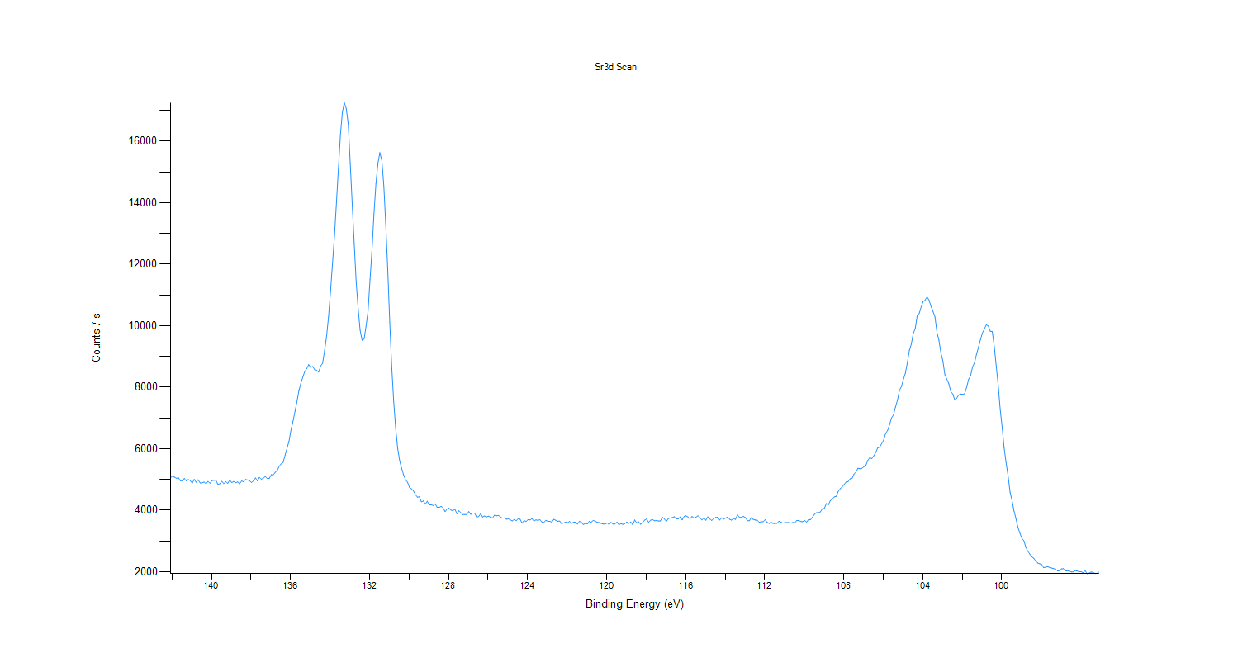
141.58 |  | 4958.74
141.48 |  | 4956.46
141.38 |  | 5033.62
141.28 |  | 4951.75
141.18 |  | 4996.38
141.08 |  | 4962.43
140.98 |  | 4875.82
140.88 |  | 5004.29
140.78 |  | 4906.27
140.68 |  | 4990.16
140.58 |  | 4887.41
140.48 |  | 4889.16
140.38 |  | 4917.15
140.28 |  | 4857.26
140.18 |  | 4937.07
140.08 |  | 4876.95
139.98 |  | 4964.76
139.88 |  | 4972.36
139.78 |  | 4976.59
139.68 |  | 4835.36
139.58 |  | 4862.04
139.48 |  | 4939.29
139.38 |  | 4864.47
139.28 |  | 4926.43
139.18 |  | 4872.14
139.08 |  | 4984.66
138.98 |  | 4896.39
138.88 |  | 4935.73
138.78 |  | 4892.36
138.68 |  | 4919.99
138.58 |  | 4859.46
138.48 |  | 4951.76
138.38 |  | 4925
138.28 |  | 4998.97
138.18 |  | 4984.07
138.08 |  | 4956.47
137.98 |  | 4901.55
137.88 |  | 4953.03
137.78 |  | 5050.07
137.68 |  | 4951.28
137.58 |  | 5066.78
137.48 |  | 5009.3
137.38 |  | 5038.56
137.28 |  | 5098.11
137.18 |  | 5030.05
137.08 |  | 5036.32
136.98 |  | 5154.04
136.88 |  | 5144.09
136.78 |  | 5233.6
136.68 |  | 5286.87
136.58 |  | 5429.83
136.48 |  | 5505.5
136.38 |  | 5553.05
136.28 |  | 5783.56
136.18 |  | 6014.06
136.08 |  | 6241.51
135.98 |  | 6612.7
135.88 |  | 6885.43
135.78 |  | 7202.76
135.68 |  | 7532.23
135.58 |  | 7882.19
135.48 |  | 8130.81
135.38 |  | 8326.87
135.28 |  | 8519.59
135.18 |  | 8605.2
135.08 |  | 8734.52
134.98 |  | 8639.66
134.88 |  | 8674.92
134.78 |  | 8568.85
134.68 |  | 8557.37
134.58 |  | 8490.21
134.48 |  | 8691.6
134.38 |  | 8779
134.28 |  | 9182.21
134.18 |  | 9656.75
134.08 |  | 10288
133.98 |  | 11107.4
133.88 |  | 12000.7
133.78 |  | 12915.6
133.68 |  | 13996.4
133.58 |  | 15100.1
133.48 |  | 16205.1
133.38 |  | 16936.6
133.28 |  | 17256.7
133.18 |  | 17065.2
133.08 |  | 16542.3
132.98 |  | 15262
132.88 |  | 13948.4
132.78 |  | 12691.8
132.68 |  | 11410.6
132.58 |  | 10563.3
132.48 |  | 9853.25
132.38 |  | 9527
132.28 |  | 9567.54
132.18 |  | 9986.82
132.08 |  | 10462.4
131.98 |  | 11505.7
131.88 |  | 12455.5
131.78 |  | 13633.2
131.68 |  | 14614.3
131.58 |  | 15285.6
131.48 |  | 15633.2
131.38 |  | 15372.5
131.28 |  | 14528.3
131.18 |  | 13245.4
131.08 |  | 11791.9
130.98 |  | 10112.9
130.88 |  | 8641.81
130.78 |  | 7519.34
130.68 |  | 6666.2
130.58 |  | 6019.83
130.48 |  | 5607.9
130.38 |  | 5362.95
130.28 |  | 5150.09
130.18 |  | 4986.5
130.08 |  | 4908.01
129.98 |  | 4741.52
129.88 |  | 4695.64
129.78 |  | 4622.03
129.68 |  | 4505.43
129.58 |  | 4424.76
129.48 |  | 4437.13
129.38 |  | 4272.33
129.28 |  | 4299.93
129.18 |  | 4195.98
129.08 |  | 4292.42
128.98 |  | 4173.5
128.88 |  | 4177.99
128.78 |  | 4151.39
128.68 |  | 4208.68
128.58 |  | 4090.09
128.48 |  | 4091.47
128.38 |  | 4123.79
128.28 |  | 4076.08
128.18 |  | 3955.01
128.08 |  | 4036.24
127.98 |  | 4068.65
127.88 |  | 4000.63
127.78 |  | 3986.57
127.68 |  | 4034.35
127.58 |  | 3879.15
127.48 |  | 3983.41
127.38 |  | 3917.36
127.28 |  | 3858.92
127.18 |  | 3862.61
127.08 |  | 3859.37
126.98 |  | 3956
126.88 |  | 3864.77
126.78 |  | 3907.5
126.68 |  | 3903.17
126.58 |  | 3771.92
126.48 |  | 3794.4
126.38 |  | 3887.28
126.28 |  | 3776.34
126.18 |  | 3811.95
126.08 |  | 3780.47
125.98 |  | 3807.22
125.88 |  | 3771.62
125.78 |  | 3743.15
125.68 |  | 3835.19
125.58 |  | 3815.51
125.48 |  | 3831.1
125.38 |  | 3778.86
125.28 |  | 3741.18
125.18 |  | 3750.43
125.08 |  | 3706.93
124.98 |  | 3717.88
124.88 |  | 3687.83
124.78 |  | 3649.34
124.68 |  | 3697.26
124.58 |  | 3658.07
124.48 |  | 3723.54
124.38 |  | 3706.44
124.28 |  | 3575.27
124.18 |  | 3668.36
124.08 |  | 3629.23
123.98 |  | 3694.33
123.88 |  | 3682.46
123.78 |  | 3725.83
123.68 |  | 3640.12
123.58 |  | 3686.64
123.48 |  | 3666
123.38 |  | 3692.14
123.28 |  | 3618.07
123.18 |  | 3599.12
123.08 |  | 3670.76
122.98 |  | 3637.77
122.88 |  | 3640.1
122.78 |  | 3611.22
122.68 |  | 3702.18
122.58 |  | 3672.36
122.48 |  | 3636.42
122.38 |  | 3647.92
122.28 |  | 3563.83
122.18 |  | 3584.13
122.08 |  | 3609.89
121.98 |  | 3591.24
121.88 |  | 3635.87
121.78 |  | 3570.47
121.68 |  | 3604.98
121.58 |  | 3614.25
121.48 |  | 3546.48
121.38 |  | 3636.54
121.28 |  | 3612.64
121.18 |  | 3532.67
121.08 |  | 3572.11
120.98 |  | 3554.92
120.88 |  | 3638.95
120.78 |  | 3608.21
120.68 |  | 3665.4
120.58 |  | 3643.08
120.48 |  | 3604.91
120.38 |  | 3596.98
120.28 |  | 3572.06
120.18 |  | 3551.87
120.08 |  | 3550.45
119.98 |  | 3587.53
119.88 |  | 3529.85
119.78 |  | 3605.58
119.68 |  | 3548.02
119.58 |  | 3554.16
119.48 |  | 3611.84
119.38 |  | 3526.97
119.28 |  | 3560.68
119.18 |  | 3540.64
119.08 |  | 3563.49
118.98 |  | 3615.63
118.88 |  | 3570.81
118.78 |  | 3613.96
118.68 |  | 3521.91
118.58 |  | 3681.7
118.48 |  | 3585.71
118.38 |  | 3622.92
118.28 |  | 3541.3
118.18 |  | 3602.96
118.08 |  | 3676.49
117.98 |  | 3715.37
117.88 |  | 3609.36
117.78 |  | 3673.57
117.68 |  | 3695.05
117.58 |  | 3655.61
117.48 |  | 3662.07
117.38 |  | 3649.04
117.28 |  | 3649.86
117.18 |  | 3769.62
117.08 |  | 3716.62
116.98 |  | 3632.61
116.88 |  | 3731.26
116.78 |  | 3745.15
116.68 |  | 3758.45
116.58 |  | 3787.16
116.48 |  | 3715.43
116.38 |  | 3716.07
116.28 |  | 3781.79
116.18 |  | 3684.85
116.08 |  | 3795.12
115.98 |  | 3817.67
115.88 |  | 3777.3
115.78 |  | 3717.71
115.68 |  | 3795.13
115.58 |  | 3744.2
115.48 |  | 3771.3
115.38 |  | 3820.75
115.28 |  | 3755.85
115.18 |  | 3681.01
115.08 |  | 3747.77
114.98 |  | 3673.32
114.88 |  | 3784.54
114.78 |  | 3713.94
114.68 |  | 3665.67
114.58 |  | 3733.48
114.48 |  | 3762.22
114.38 |  | 3774.65
114.28 |  | 3679.22
114.18 |  | 3752.96
114.08 |  | 3708.19
113.98 |  | 3746.6
113.88 |  | 3774.58
113.78 |  | 3705.95
113.68 |  | 3675.43
113.58 |  | 3732.66
113.48 |  | 3699.82
113.38 |  | 3849.71
113.28 |  | 3766.63
113.18 |  | 3764.39
113.08 |  | 3799.19
112.98 |  | 3761.77
112.88 |  | 3661.23
112.78 |  | 3655.71
112.68 |  | 3755.64
112.58 |  | 3701.95
112.48 |  | 3678.73
112.38 |  | 3673.93
112.28 |  | 3610.33
112.18 |  | 3618.28
112.08 |  | 3626.39
111.98 |  | 3688.64
111.88 |  | 3612.07
111.78 |  | 3567.48
111.68 |  | 3619.42
111.58 |  | 3569.4
111.48 |  | 3566.03
111.38 |  | 3571.29
111.28 |  | 3641.79
111.18 |  | 3613.81
111.08 |  | 3581.12
110.98 |  | 3593.56
110.88 |  | 3594.47
110.78 |  | 3595.41
110.68 |  | 3582.95
110.58 |  | 3598.33
110.48 |  | 3588.46
110.38 |  | 3663.32
110.28 |  | 3667.53
110.18 |  | 3631.78
110.08 |  | 3625.52
109.98 |  | 3665.87
109.88 |  | 3614.37
109.78 |  | 3698.15
109.68 |  | 3691.85
109.58 |  | 3779.26
109.48 |  | 3869.13
109.38 |  | 3917.78
109.28 |  | 3915.38
109.18 |  | 3948.07
109.08 |  | 4048.72
108.98 |  | 4059.38
108.88 |  | 4215.78
108.78 |  | 4170.95
108.68 |  | 4311.6
108.58 |  | 4362.02
108.48 |  | 4430.59
108.38 |  | 4452.17
108.28 |  | 4607.77
108.18 |  | 4698.6
108.08 |  | 4756.66
107.98 |  | 4838.19
107.88 |  | 4915.58
107.78 |  | 4930.29
107.68 |  | 5019.92
107.58 |  | 5032.66
107.48 |  | 5173.1
107.38 |  | 5243.16
107.28 |  | 5367.05
107.18 |  | 5345.44
107.08 |  | 5361.38
106.98 |  | 5413.62
106.88 |  | 5456.91
106.78 |  | 5622.48
106.68 |  | 5711.95
106.58 |  | 5678.03
106.48 |  | 5767.02
106.38 |  | 5874.11
106.28 |  | 6029.35
106.18 |  | 6050.95
106.08 |  | 6165.81
105.98 |  | 6278.15
105.88 |  | 6498.29
105.78 |  | 6592.96
105.68 |  | 6778.91
105.58 |  | 7003.35
105.48 |  | 7103.6
105.38 |  | 7354.4
105.28 |  | 7578.64
105.18 |  | 7897.41
105.08 |  | 8020.72
104.98 |  | 8255.44
104.88 |  | 8450.76
104.78 |  | 8800.78
104.68 |  | 9189.26
104.58 |  | 9401.4
104.48 |  | 9744.87
104.38 |  | 9911.77
104.28 |  | 10330.1
104.18 |  | 10395.9
104.08 |  | 10616.9
103.98 |  | 10790.1
103.88 |  | 10835.7
103.78 |  | 10940.4
103.68 |  | 10833.4
103.58 |  | 10626.3
103.48 |  | 10468.9
103.38 |  | 10284.8
103.28 |  | 9784.37
103.18 |  | 9521.68
103.08 |  | 9115.59
102.98 |  | 8851.94
102.88 |  | 8405.09
102.78 |  | 8262.78
102.68 |  | 8112.65
102.58 |  | 7858.75
102.48 |  | 7781.78
102.38 |  | 7588.5
102.28 |  | 7645.08
102.18 |  | 7748.01
102.08 |  | 7778.28
101.98 |  | 7766.5
101.88 |  | 7786.92
101.78 |  | 7996.11
101.68 |  | 8253.25
101.58 |  | 8366.97
101.48 |  | 8660.57
101.38 |  | 8795.53
101.28 |  | 9067.54
101.18 |  | 9294.98
101.08 |  | 9546.72
100.98 |  | 9763.7
100.88 |  | 9897.39
100.78 |  | 10030.7
100.68 |  | 9988.04
100.58 |  | 9818.66
100.48 |  | 9813.76
100.38 |  | 9319.23
100.28 |  | 8687.57
100.18 |  | 8067.01
100.08 |  | 7293.04
99.98 |  | 6687.36
99.88 |  | 6024.84
99.78 |  | 5541.35
99.68 |  | 5114.63
99.58 |  | 4588.04
99.48 |  | 4318.19
99.38 |  | 3976.61
99.28 |  | 3716.28
99.18 |  | 3439.1
99.08 |  | 3251.18
98.98 |  | 3084.96
98.88 |  | 3006.24
98.78 |  | 2791.78
98.68 |  | 2666.76
98.58 |  | 2568.42
98.48 |  | 2484.93
98.38 |  | 2436.82
98.28 |  | 2347.87
98.18 |  | 2280.8
98.08 |  | 2257.96
97.98 |  | 2237.96
97.88 |  | 2133.07
97.78 |  | 2146.07
97.68 |  | 2163.19
97.58 |  | 2140.45
97.48 |  | 2120.07
97.38 |  | 2100.63
97.28 |  | 2088.62
97.18 |  | 2024.94
97.08 |  | 2032.5
96.98 |  | 2092.45
96.88 |  | 2099.23
96.78 |  | 2024.3
96.68 |  | 2023.79
96.58 |  | 2023.99
96.48 |  | 1991.48
96.38 |  | 1993.8
96.28 |  | 2034.1
96.18 |  | 2022.9
96.08 |  | 1996.52
95.98 |  | 1998.65
95.88 |  | 1966.96
95.78 |  | 2034.73
95.68 |  | 1934.46
95.58 |  | 1954.78
95.48 |  | 1989.89
95.38 |  | 1982.35
95.28 |  | 1940.64
95.18 |  | 1944.95
95.08 |  | 1989.13

O1s Scan
 |  |  |  | Acquisition Parameters : |  | Experiment Descriptions :

 |  |  |  | Parameter |  | Experiment2\X-Ray023 400um - FG ON\CBBO159_LAO\Group
 |  |  |  | Total acquisition time | 2 mins 31.0 secs
 |  |  |  | Number of Scans | 20
﻿ |  |  |  | Source Gun Type | Al K Alpha
Axis | Energy | Elements= | 151 | Spot Size | 400 µm
 |  |  |  | Lens Mode | Standard
C:\DATA\Gwilherm Kerherve\20180810_LSC_LSMCceles\Experiment2\X-Ray023 400um - FG ON\CBBO159_LAO\Group\O1s Scan.VGD |  |  |  | Analyser Mode | CAE : Pass Energy 20.0 eV
 |  |  |  | Energy Step Size | 0.100 eV
 |  |  |  | Number of Energy Steps | 151

Binding Energy (E)
eV |  | Counts / s
540.08 |  | 7448.12
539.98 |  | 7314.98
539.88 |  | 7300.1
539.78 |  | 7363.44
539.68 |  | 7236.57
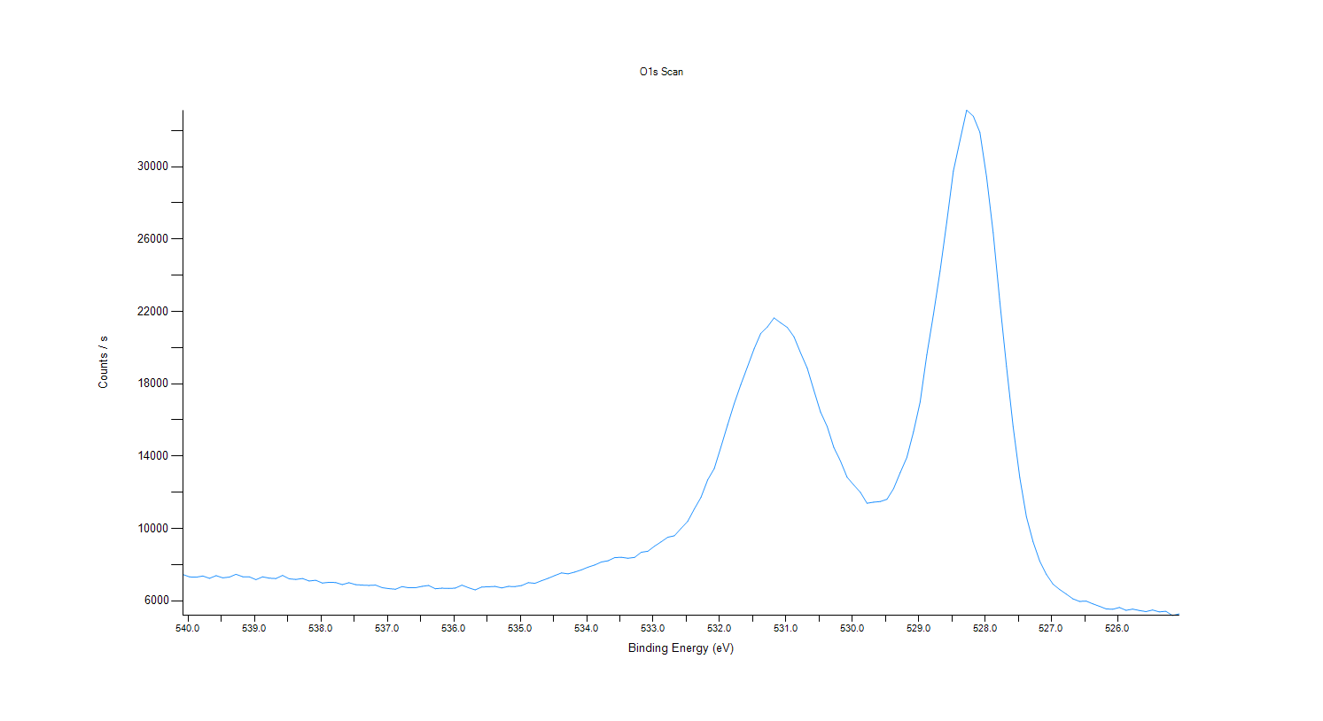
539.58 |  | 7386.12
539.48 |  | 7264.53
539.38 |  | 7305.75
539.28 |  | 7458.75
539.18 |  | 7323.88
539.08 |  | 7319.93
538.98 |  | 7163.76
538.88 |  | 7318.88
538.78 |  | 7244.92
538.68 |  | 7225.43
538.58 |  | 7398.91
538.48 |  | 7209.92
538.38 |  | 7173.46
538.28 |  | 7226.86
538.18 |  | 7090.68
538.08 |  | 7129.73
537.98 |  | 6976.81
537.88 |  | 7014.43
537.78 |  | 7002.86
537.68 |  | 6891.36
537.58 |  | 6993.05
537.48 |  | 6887.06
537.38 |  | 6861.8
537.28 |  | 6845.81
537.18 |  | 6862.87
537.08 |  | 6720.12
536.98 |  | 6668.22
536.88 |  | 6632.59
536.78 |  | 6780.94
536.68 |  | 6711.87
536.58 |  | 6714.5
536.48 |  | 6792.35
536.38 |  | 6840.07
536.28 |  | 6659.19
536.18 |  | 6690.53
536.08 |  | 6677.42
535.98 |  | 6692.89
535.88 |  | 6859.5
535.78 |  | 6715.14
535.68 |  | 6597.09
535.58 |  | 6755.5
535.48 |  | 6768.82
535.38 |  | 6790.03
535.28 |  | 6705.09
535.18 |  | 6790.66
535.08 |  | 6780.64
534.98 |  | 6837.63
534.88 |  | 6996.05
534.78 |  | 6960.31
534.68 |  | 7105.21
534.58 |  | 7238.22
534.48 |  | 7392.93
534.38 |  | 7535.33
534.28 |  | 7484.79
534.18 |  | 7582.7
534.08 |  | 7703.51
533.98 |  | 7853.76
533.88 |  | 7973.08
533.78 |  | 8140.32
533.68 |  | 8206.05
533.58 |  | 8382.14
533.48 |  | 8399.14
533.38 |  | 8346.26
533.28 |  | 8392.76
533.18 |  | 8679.46
533.08 |  | 8733.23
532.98 |  | 9011.87
532.88 |  | 9253.43
532.78 |  | 9506.51
532.68 |  | 9590.78
532.58 |  | 9995.99
532.48 |  | 10384.9
532.38 |  | 11071.1
532.28 |  | 11715.7
532.18 |  | 12677.6
532.08 |  | 13310
531.98 |  | 14498.5
531.88 |  | 15716.3
531.78 |  | 16891.7
531.68 |  | 17947.8
531.58 |  | 18931.3
531.48 |  | 19924.2
531.38 |  | 20779.2
531.28 |  | 21138.8
531.18 |  | 21636.3
531.08 |  | 21365.1
530.98 |  | 21111.3
530.88 |  | 20596.5
530.78 |  | 19698.6
530.68 |  | 18856.4
530.58 |  | 17635.1
530.48 |  | 16440.2
530.38 |  | 15637.3
530.28 |  | 14479.7
530.18 |  | 13727.7
530.08 |  | 12829.3
529.98 |  | 12400.7
529.88 |  | 11994.6
529.78 |  | 11385.9
529.68 |  | 11449.1
529.58 |  | 11481.6
529.48 |  | 11607.1
529.38 |  | 12197.8
529.28 |  | 13076.4
529.18 |  | 13919.7
529.08 |  | 15335.6
528.98 |  | 16988.1
528.88 |  | 19586.6
528.78 |  | 21819.4
528.68 |  | 24227.3
528.58 |  | 26920.7
528.48 |  | 29757.6
528.38 |  | 31457.5
528.28 |  | 33127.3
528.18 |  | 32793.6
528.08 |  | 31899.2
527.98 |  | 29452.9
527.88 |  | 26346.7
527.78 |  | 22521.9
527.68 |  | 18961.3
527.58 |  | 15625.3
527.48 |  | 12813
527.38 |  | 10640.1
527.28 |  | 9259.17
527.18 |  | 8191.26
527.08 |  | 7458.12
526.98 |  | 6913.6
526.88 |  | 6616.47
526.78 |  | 6366.42
526.68 |  | 6102.44
526.58 |  | 5959.86
526.48 |  | 5976.56
526.38 |  | 5825.11
526.28 |  | 5689.51
526.18 |  | 5547.24
526.08 |  | 5524.55
525.98 |  | 5624.68
525.88 |  | 5465.58
525.78 |  | 5534.19
525.68 |  | 5457.72
525.58 |  | 5396.9
525.48 |  | 5484.56
525.38 |  | 5379.5
525.28 |  | 5413.51
525.18 |  | 5179.88
525.08 |  | 5269.48

Mn3s Scan
 |  |  |  | Acquisition Parameters : |  | Experiment Descriptions :

 |  |  |  | Parameter |  | Experiment2\X-Ray023 400um - FG ON\CBBO159_LAO\Group
 |  |  |  | Total acquisition time | 1 hrs 30.4 mins
 |  |  |  | Number of Scans | 150
﻿ |  |  |  | Source Gun Type | Al K Alpha
Axis | Energy | Elements= | 241 | Spot Size | 400 µm
 |  |  |  | Lens Mode | Standard
C:\DATA\Gwilherm Kerherve\20180810_LSC_LSMCceles\Experiment2\X-Ray023 400um - FG ON\CBBO159_LAO\Group\Mn3s Scan.VGD |  |  |  | Analyser Mode | CAE : Pass Energy 20.0 eV
 |  |  |  | Energy Step Size | 0.100 eV
 |  |  |  | Number of Energy Steps | 241

Binding Energy (E)
eV |  | Counts / s
97.08 |  | 2059.76
96.98 |  | 2034.13
96.88 |  | 2028.23
96.78 |  | 2031.33
96.68 |  | 2030.28
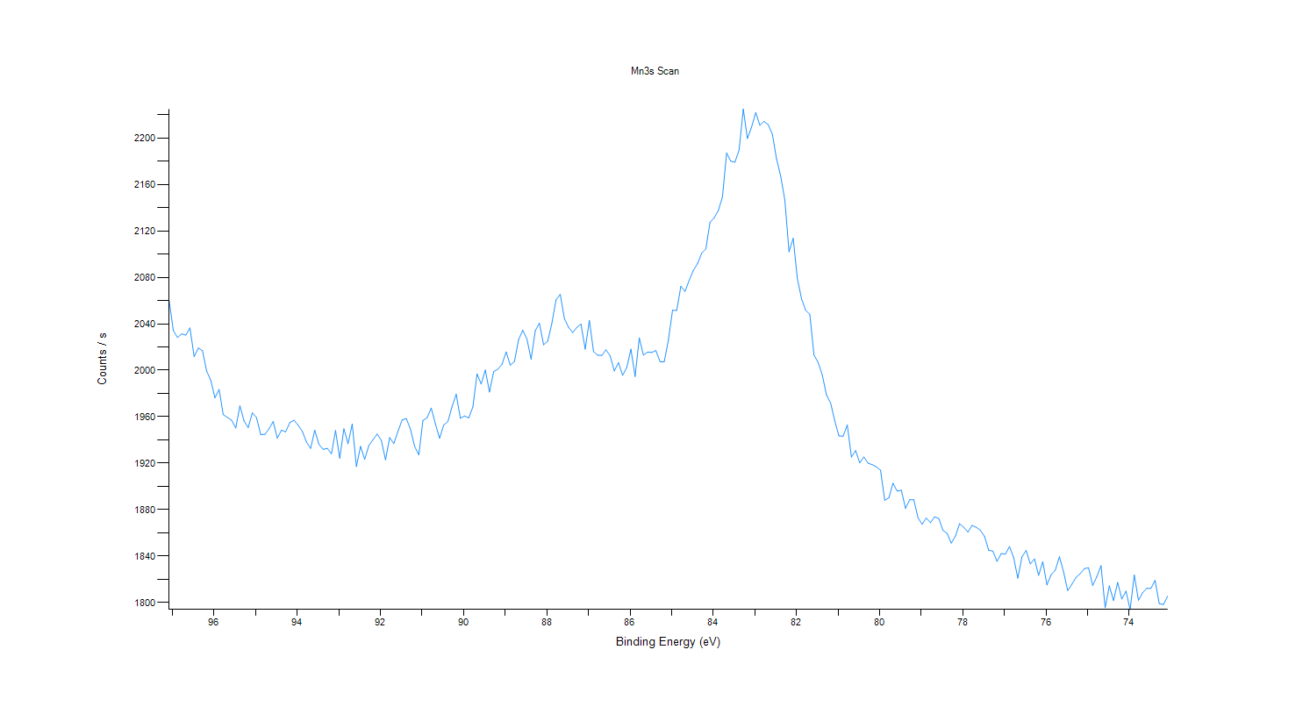
96.58 |  | 2036.48
96.48 |  | 2011.78
96.38 |  | 2019.11
96.28 |  | 2016.91
96.18 |  | 1999.37
96.08 |  | 1991.27
95.98 |  | 1976.28
95.88 |  | 1983.51
95.78 |  | 1961.84
95.68 |  | 1959.36
95.58 |  | 1957.09
95.48 |  | 1950.34
95.38 |  | 1969.43
95.28 |  | 1956.38
95.18 |  | 1950.67
95.08 |  | 1963.35
94.98 |  | 1959.22
94.88 |  | 1944.63
94.78 |  | 1944.77
94.68 |  | 1949.62
94.58 |  | 1955.89
94.48 |  | 1941.69
94.38 |  | 1948.44
94.28 |  | 1946.94
94.18 |  | 1955.01
94.08 |  | 1957.03
93.98 |  | 1952.66
93.88 |  | 1947.47
93.78 |  | 1938.18
93.68 |  | 1932.77
93.58 |  | 1948.38
93.48 |  | 1936.18
93.38 |  | 1931.96
93.28 |  | 1932.78
93.18 |  | 1928.16
93.08 |  | 1948.15
92.98 |  | 1924.26
92.88 |  | 1949.68
92.78 |  | 1936.84
92.68 |  | 1953.75
92.58 |  | 1917.16
92.48 |  | 1934.52
92.38 |  | 1923.3
92.28 |  | 1935.21
92.18 |  | 1940.24
92.08 |  | 1945.09
91.98 |  | 1939.67
91.88 |  | 1922.93
91.78 |  | 1942.08
91.68 |  | 1936.86
91.58 |  | 1947.37
91.48 |  | 1957.27
91.38 |  | 1958.42
91.28 |  | 1949.24
91.18 |  | 1934.49
91.08 |  | 1927.18
90.98 |  | 1956.75
90.88 |  | 1959.19
90.78 |  | 1967.44
90.68 |  | 1953.76
90.58 |  | 1941.52
90.48 |  | 1952.9
90.38 |  | 1955.97
90.28 |  | 1968.6
90.18 |  | 1979.39
90.08 |  | 1958.7
89.98 |  | 1960.67
89.88 |  | 1958.99
89.78 |  | 1968.45
89.68 |  | 1996.92
89.58 |  | 1988.17
89.48 |  | 2000.18
89.38 |  | 1981.25
89.28 |  | 1998.83
89.18 |  | 2000.99
89.08 |  | 2005.16
88.98 |  | 2015.74
88.88 |  | 2004.4
88.78 |  | 2007.54
88.68 |  | 2026.48
88.58 |  | 2034.47
88.48 |  | 2026.83
88.38 |  | 2009.48
88.28 |  | 2034.08
88.18 |  | 2040.61
88.08 |  | 2021.95
87.98 |  | 2025.06
87.88 |  | 2040.6
87.78 |  | 2060.73
87.68 |  | 2065.32
87.58 |  | 2044.47
87.48 |  | 2037
87.38 |  | 2032.38
87.28 |  | 2036.87
87.18 |  | 2039.81
87.08 |  | 2018.18
86.98 |  | 2042.94
86.88 |  | 2016.17
86.78 |  | 2013
86.68 |  | 2012.79
86.58 |  | 2017.68
86.48 |  | 2012.4
86.38 |  | 1999.4
86.28 |  | 2006.52
86.18 |  | 1995.65
86.08 |  | 2002.37
85.98 |  | 2018.18
85.88 |  | 1994.64
85.78 |  | 2027.85
85.68 |  | 2013.09
85.58 |  | 2015.66
85.48 |  | 2015.33
85.38 |  | 2016.99
85.28 |  | 2007.37
85.18 |  | 2007.21
85.08 |  | 2025.98
84.98 |  | 2051.72
84.88 |  | 2051.51
...

Mn2p Scan
...
Counts / s
9319.87
9320.23
9339.49
9335.17
9268.22
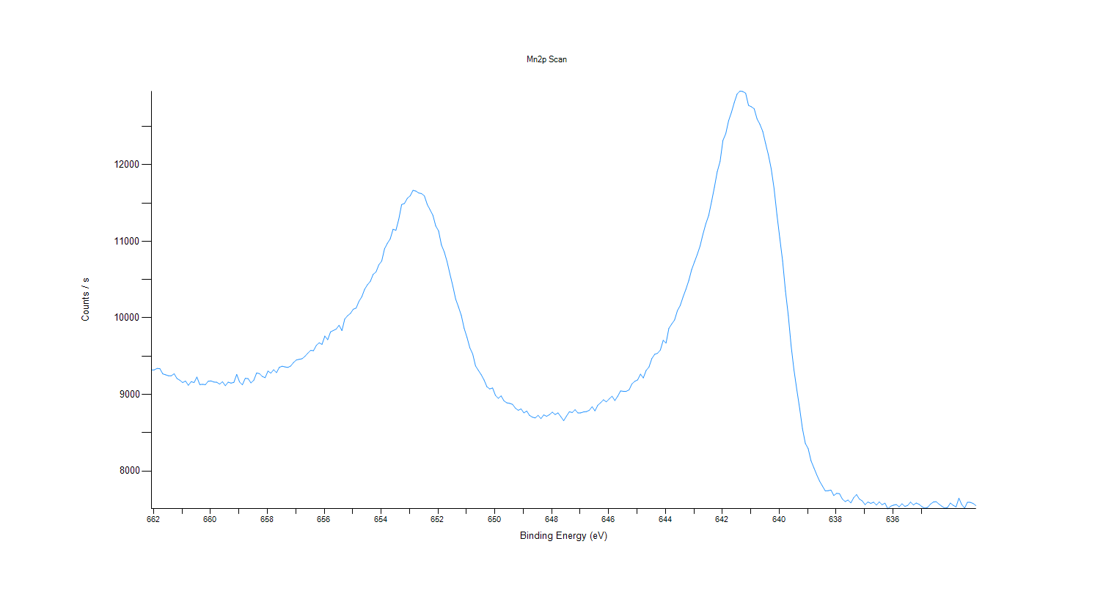
9256.48
9243.82
9242.89
9269.97
9207.6
9185.38
9154.95
9174.89
9119.38
9166.63
9154.89
9226.48
9128.71
9131.52
9128.07
9173.95
9175.79
9161.52
9158.31
9134.6
9165.65
9113.48
9160.02
9147.31
9156.47
9260.97
9162.4
9125.38
9209.84
9206.44
9150.38
9183.98
9280.25
9271.35
9234.68
9218.32
9304.76
9277.96
9321.86
9284.17
9354.03
9368.3
9359.16
9352.35
9370.85
9416.82
9449.74
9458.22
9466.07
9497.18
9538.66
9574.97
9570.66
...

La3d Scan
...
Counts / s
27404.7
27495.5
27361.7
27381.7
27490.9
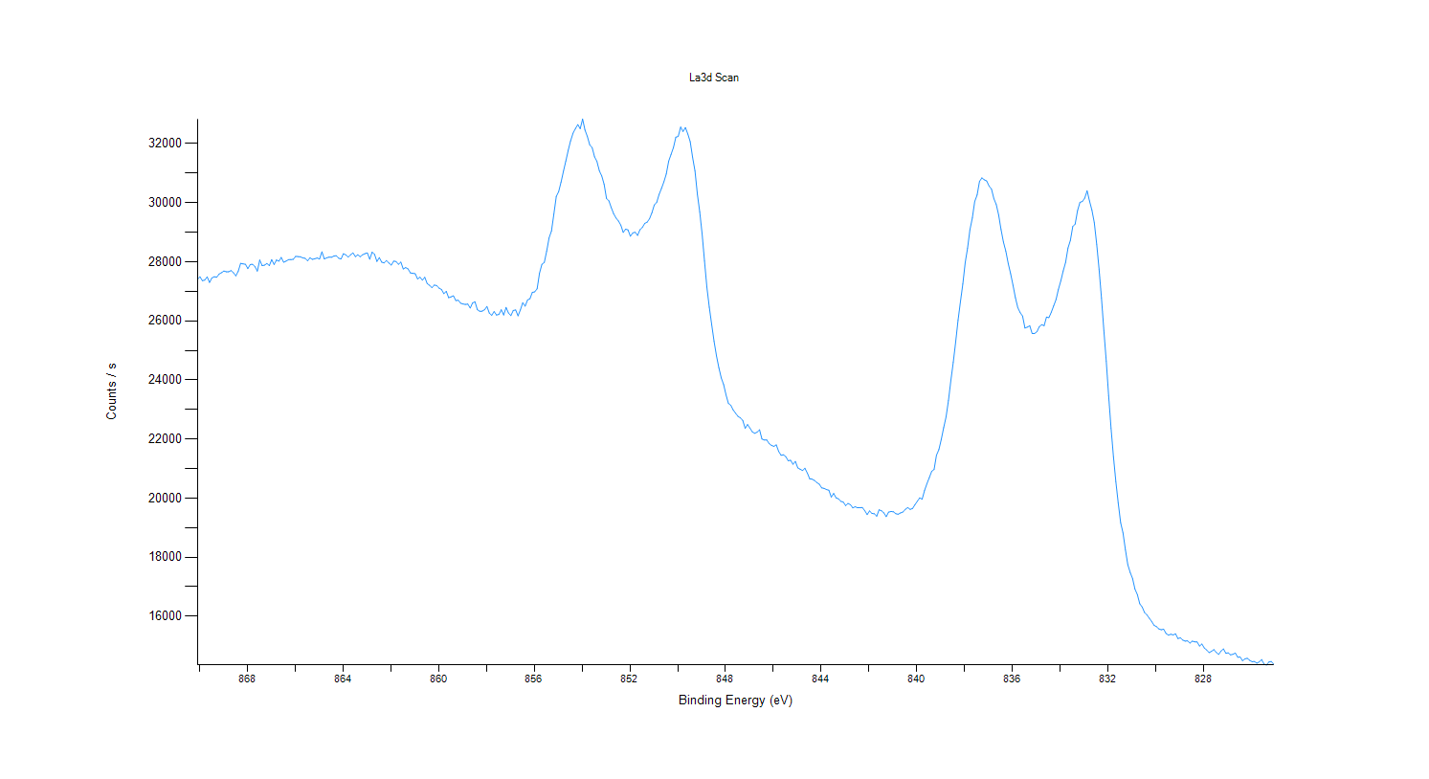
27302.7
27455.4
27494.5
27478.1
27585.9
27631.7
27689.8
27662.4
27662.5
27703.4
27631
27524.5
27685.3
27950.5
27929.6
27918.6
27770.6
27907.1
27916.2
27836.2
27683.9
28062
27871.1
27886.6
27943.1
27868.1
28073.4
27909.8
28062.3
28020.6
28149.3
27986.5
28023.2
28071.5
28078.5
28081.3
28185
28177.5
28168.7
28132.3
28117.9
28032.3
28136.6
28083.4
28102.9
28129.4
28093.2
28338.9
28096.2
28136
28159.2
28151.8
28197.3
...

Co2p Scan
...
Counts / s
13917.2
13974.2
14015.8
13957.1
13960.9
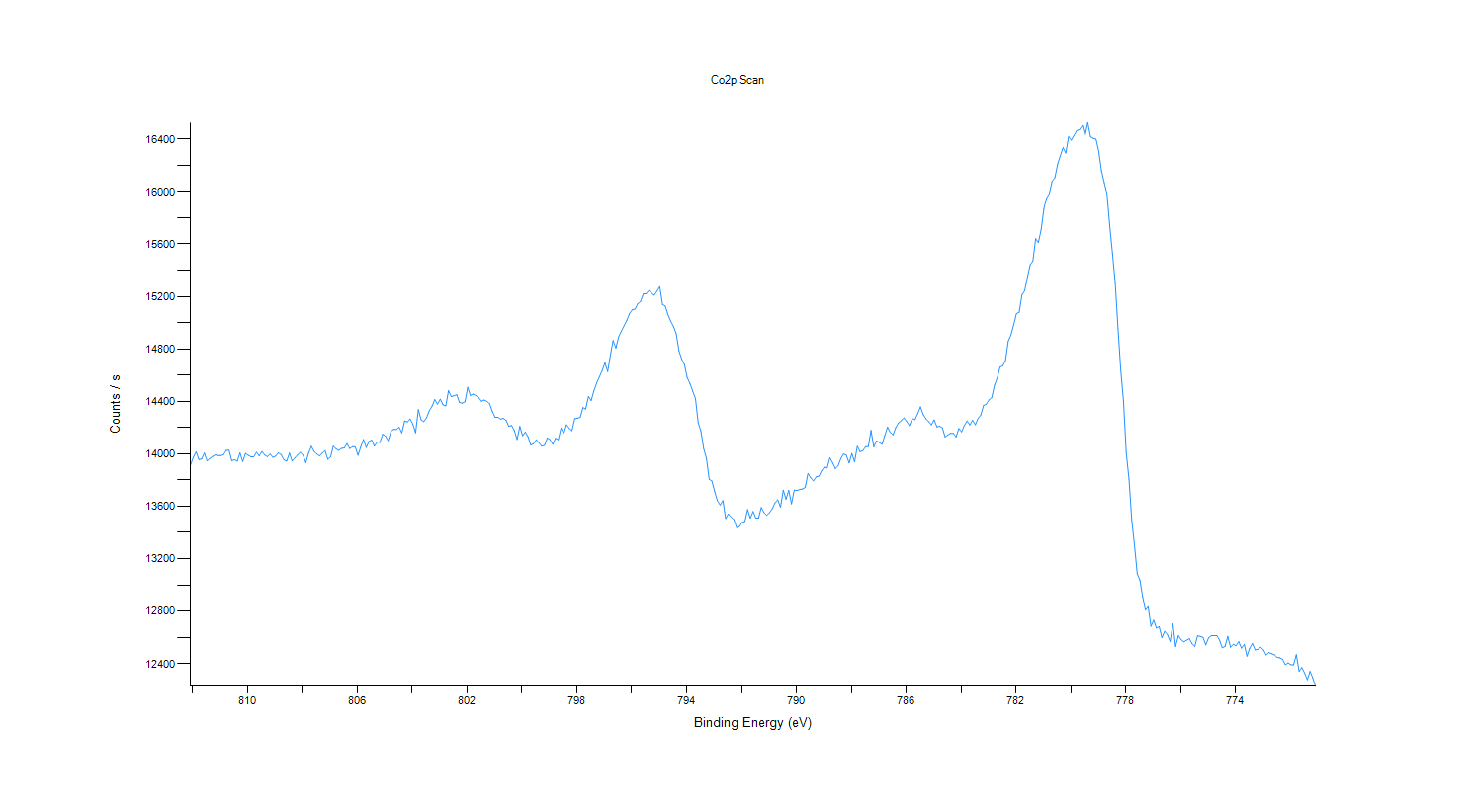
14006.6
13945.9
13964.2
13979.6
13991.8
13987.3
13986
13993.8
14026.8
14027.8
13947.5
13955.3
13943.9
14007.4
13940.8
14003.5
13988.6
13977.7
13977
14012.1
13984.1
14018
13991.1
13978.4
13998.5
13973.2
13982.4
14007
13994.3
13954.1
13943.9
14005.9
13945.1
13968.9
13992.4
14011.7
13988.9
13932.5
14004.5
14058
14018.8
13998.5
13984.4
14005.2
14025.2
13958.3
13976.3
14058.7
14039
14026.6
14042.1
14044.8
14078.7
...

C1s Scan
...
Counts / s
7191.89
7191.14
7232.39
7139.22
7176.74
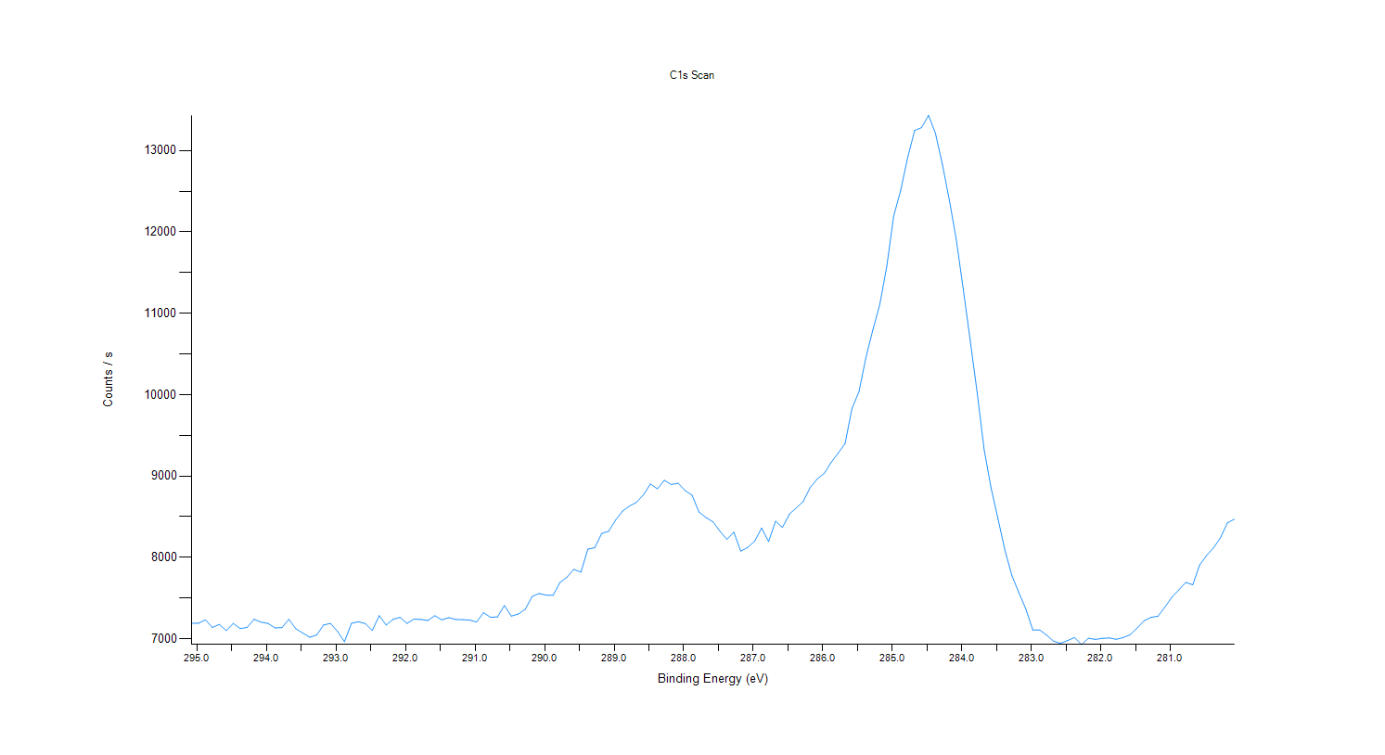
7100.61
7188.94
7125.31
7139.75
7239.87
7203.65
7188.99
7134.11
7136
7239.7
7123.39
7070.77
7017.93
7046.65
7169.43
7187.92
7090.29
6963.74
7188.73
7209.25
7186.42
7101.86
7284.68
7168.7
7239.81
7264.08
7188.9
7242.7
7237.25
7224.69
7283.66
7232.62
7259.73
7237.09
7234.4
7229.22
7206.23
7321.61
7263.7
7268.57
7408.28
7277.77
7303.42
7361.21
7520.18
7556.89
7536.33
7533.76
7691.99
7756.8
7854.01
7818.79
8101.36
...

